overall graphs
Bonneville |  |  |  |  |  |  |  |  |  | The Dalles |  |  |  |  |  |  |  |  |  | John Day |  |  |  |  |  |  |  |  |  | Prosser
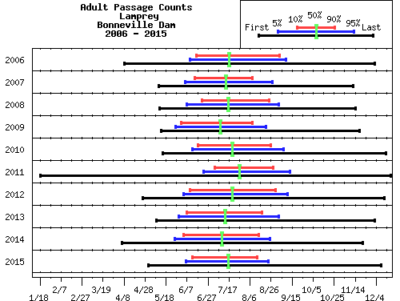
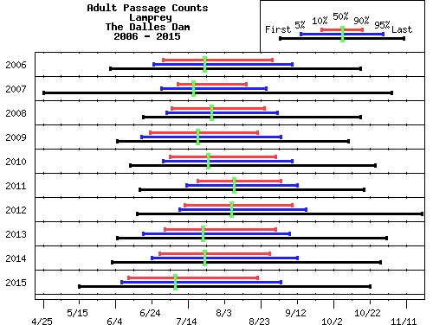
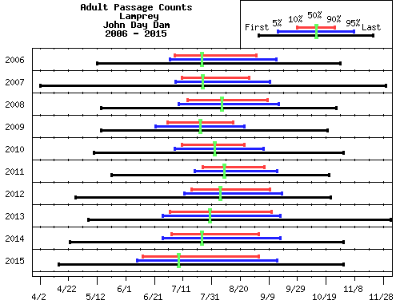
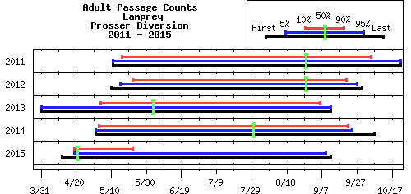

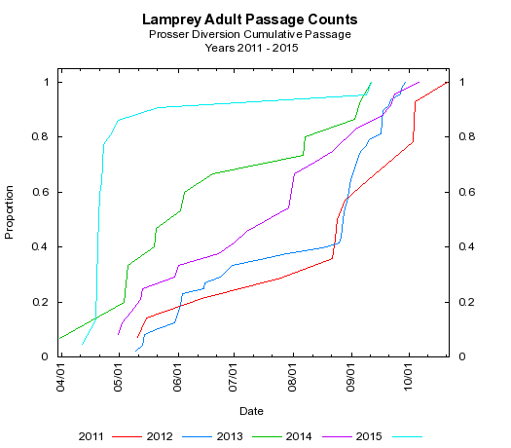

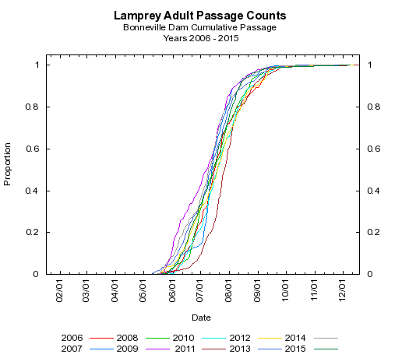
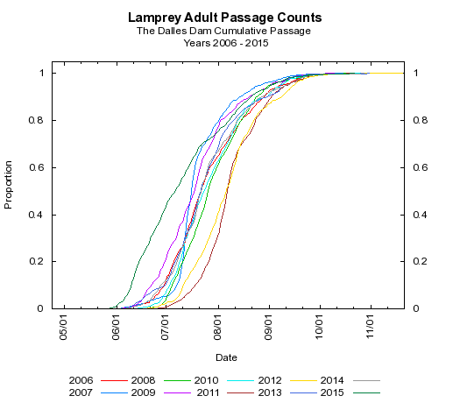
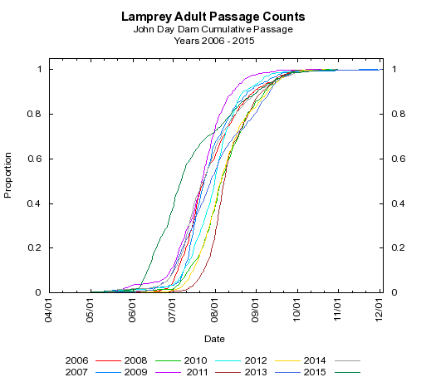

Lamprey Adult Passage Counts at Bonneville Dam | Migration Timing Characteristics |  |  |  |  |  |  |  |  | Migration Timing Characteristics | Lamprey Adult Passage Counts at The Dalles Dam |  |  |  |  |  |  |  |  | Migration Timing Characteristics | Lamprey Adult Passage Counts at John Day Dam |  |  |  |  |  |  |  |  | Migration Timing Characteristics | Lamprey Adult Passage Counts at Prosser Diversion
Year | Passage Dates |  |  |  |  |  |  |  | Middle
 |  |  |  |  |  |  |  |  | 80% | Year | Passage Dates |  |  |  |  |  |  |  | Middle | Year | Passage Dates |  |  |  |  |  |  |  | Middle | Year | Passage Dates |  |  |  |  |  |  |  | Middle
 | First | 1% | 5% | 10% | 50% | 90% | 95% | Last | Days |  |  |  |  |  |  |  |  |  | 80% |  |  |  |  |  |  |  |  |  | 80% |  |  |  |  |  |  |  |  |  | 80%
2006 | 2016-04-08 | 2016-05-29 | 2016-06-10 | 2016-06-16 | 2016-07-17 | 2016-09-03 | 2016-09-09 | 2016-12-03 | 80 |  | First | 1% | 5% | 10% | 50% | 90% | 95% | Last | Days |  | First | 1% | 5% | 10% | 50% | 90% | 95% | Last | Days |  | First | 1% | 5% | 10% | 50% | 90% | 95% | Last | Days
2007 | 2016-05-11 | 2016-05-31 | 2016-06-05 | 2016-06-14 | 2016-07-14 | 2016-08-08 | 2016-08-27 | 2016-11-12 | 56 | 2006 | 2016-06-01 | 2016-06-14 | 2016-06-25 | 2016-06-30 | 2016-07-23 | 2016-08-29 | 2016-09-09 | 2016-10-17 | 61 | 2006 | 2016-05-12 | 2016-06-23 | 2016-07-02 | 2016-07-05 | 2016-07-24 | 2016-08-31 | 2016-09-14 | 2016-10-29 | 58 | 2011 | 2016-05-11 | 2016-05-11 | 2016-05-11 | 2016-05-16 | 2016-08-29 | 2016-10-05 | 2016-10-22 | 2016-10-22 | 143
2008 | 2016-05-11 | 2016-05-23 | 2016-06-06 | 2016-06-20 | 2016-07-15 | 2016-08-23 | 2016-09-01 | 2016-11-13 | 65 | 2007 | 2016-04-25 | 2016-06-10 | 2016-06-29 | 2016-07-08 | 2016-07-17 | 2016-08-15 | 2016-08-26 | 2016-11-03 | 39 | 2007 | 2016-04-02 | 2016-05-20 | 2016-07-06 | 2016-07-10 | 2016-07-25 | 2016-08-26 | 2016-09-10 | 2016-11-30 | 48 | 2012 | 2016-05-09 | 2016-05-09 | 2016-05-14 | 2016-05-21 | 2016-08-28 | 2016-09-20 | 2016-09-26 | 2016-09-29 | 123
2009 | 2016-05-13 | 2016-05-23 | 2016-05-27 | 2016-06-01 | 2016-07-09 | 2016-08-08 | 2016-08-21 | 2016-11-18 | 69 | 2008 | 2016-06-18 | 2016-06-26 | 2016-07-01 | 2016-07-04 | 2016-07-26 | 2016-08-24 | 2016-08-31 | 2016-10-16 | 52 | 2008 | 2016-05-14 | 2016-06-15 | 2016-07-07 | 2016-07-13 | 2016-08-06 | 2016-09-07 | 2016-09-15 | 2016-10-25 | 57 | 2013 | 2016-03-31 | 2016-03-31 | 2016-03-31 | 2016-05-04 | 2016-06-03 | 2016-09-06 | 2016-09-12 | 2016-09-12 | 126
2010 | 2016-05-15 | 2016-06-06 | 2016-06-12 | 2016-06-17 | 2016-07-20 | 2016-08-26 | 2016-09-07 | 2016-12-13 | 71 | 2009 | 2016-06-05 | 2016-06-12 | 2016-06-18 | 2016-06-23 | 2016-07-19 | 2016-08-21 | 2016-09-03 | 2016-10-10 | 60 | 2009 | 2016-05-15 | 2016-05-22 | 2016-06-22 | 2016-06-30 | 2016-07-23 | 2016-08-15 | 2016-08-23 | 2016-10-20 | 47 | 2014 | 2016-05-01 | 2016-05-01 | 2016-05-01 | 2016-05-03 | 2016-07-30 | 2016-09-22 | 2016-09-24 | 2016-10-07 | 143
2011 | 2016-01-18 | 2016-05-24 | 2016-06-23 | 2016-07-03 | 2016-07-27 | 2016-08-28 | 2016-09-13 | 2016-12-18 | 57 | 2010 | 2016-06-12 | 2016-06-22 | 2016-06-30 | 2016-07-04 | 2016-07-25 | 2016-08-31 | 2016-09-09 | 2016-10-25 | 59 | 2010 | 2016-05-10 | 2016-05-23 | 2016-07-05 | 2016-07-10 | 2016-08-02 | 2016-08-23 | 2016-09-05 | 2016-10-31 | 45 | 2015 | 2016-04-12 | 2016-04-12 | 2016-04-19 | 2016-04-19 | 2016-04-21 | 2016-05-22 | 2016-09-09 | 2016-09-12 | 34
2012 | 2016-04-25 | 2016-05-20 | 2016-06-03 | 2016-06-09 | 2016-07-19 | 2016-08-29 | 2016-09-10 | 2016-12-11 | 82 | 2011 | 2016-06-17 | 2016-07-03 | 2016-07-13 | 2016-07-19 | 2016-08-08 | 2016-09-03 | 2016-09-12 | 2016-10-19 | 47 | 2011 | 2016-05-22 | 2016-07-11 | 2016-07-19 | 2016-07-25 | 2016-08-09 | 2016-09-06 | 2016-09-15 | 2016-10-21 | 44
2013 | 2016-05-09 | 2016-05-13 | 2016-05-30 | 2016-06-07 | 2016-07-13 | 2016-08-17 | 2016-09-02 | 2016-12-03 | 72 | 2012 | 2016-06-15 | 2016-06-26 | 2016-07-08 | 2016-07-11 | 2016-08-06 | 2016-09-08 | 2016-09-16 | 2016-11-19 | 60 | 2012 | 2016-04-26 | 2016-07-02 | 2016-07-11 | 2016-07-16 | 2016-08-05 | 2016-09-09 | 2016-09-17 | 2016-10-21 | 56
2014 | 2016-04-06 | 2016-05-20 | 2016-05-26 | 2016-06-04 | 2016-07-10 | 2016-08-14 | 2016-08-25 | 2016-11-21 | 72 | 2013 | 2016-06-05 | 2016-06-11 | 2016-06-19 | 2016-07-01 | 2016-07-22 | 2016-08-31 | 2016-09-08 | 2016-10-31 | 62 | 2013 | 2016-05-06 | 2016-06-14 | 2016-06-27 | 2016-07-02 | 2016-07-30 | 2016-09-11 | 2016-09-17 | 2016-12-03 | 72
2015 | 2016-05-01 | 2016-05-29 | 2016-06-06 | 2016-06-12 | 2016-07-16 | 2016-08-13 | 2016-08-23 | 2016-12-09 | 63 | 2014 | 2016-06-02 | 2016-06-13 | 2016-06-24 | 2016-06-28 | 2016-07-23 | 2016-08-28 | 2016-09-12 | 2016-10-28 | 62 | 2014 | 2016-04-23 | 2016-05-21 | 2016-06-27 | 2016-07-03 | 2016-07-24 | 2016-09-02 | 2016-09-17 | 2016-10-31 | 62
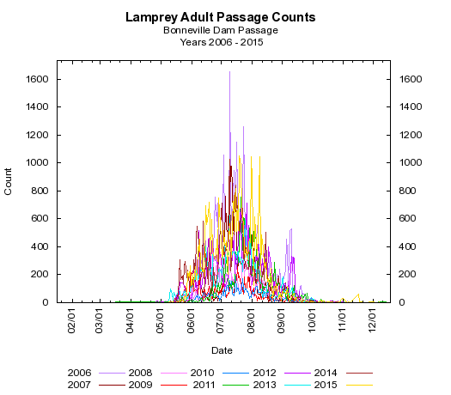
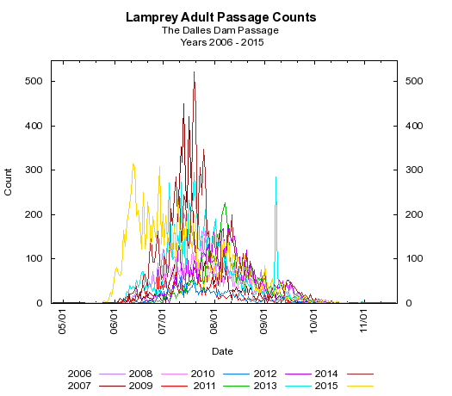
 |  |  |  |  |  |  |  |  |  | 2015 | 2016-05-15 | 2016-06-02 | 2016-06-07 | 2016-06-11 | 2016-07-07 | 2016-08-21 | 2016-09-03 | 2016-10-22 | 72 | 2015 | 2016-04-15 | 2016-05-27 | 2016-06-09 | 2016-06-13 | 2016-07-08 | 2016-09-02 | 2016-09-15 | 2016-10-31 | 82
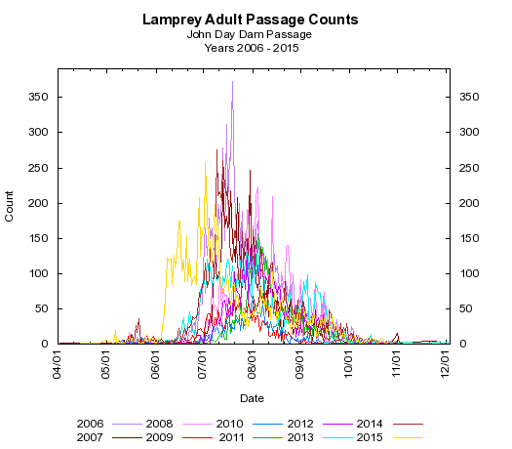
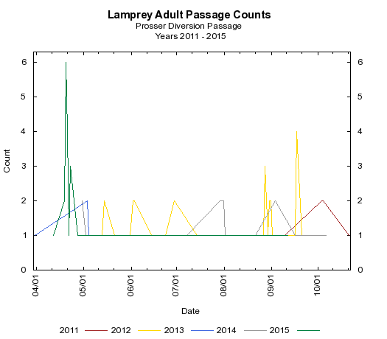

2016
YN Lamprey Collections 2016
 | John Day Dam |  | John Day Dam | The Dalles Dam |  | The Dalles Dam | Bonneville Dam | Accumulated | Personnel | Comments | Collection Allocations for 2016 |  |  |  |  | Running Total | Remaining
Date | North Ladder | South Trap | Total | North Ladder | East Ladder | Total | AFF | Total
2016-06-06 | - | - | - | - | - | - | 58 | 58 | DL, SG |  | Bonneville Dam |  | 215 | per tribe |  | 215 | 0
2016-06-12 | 7 | 4 | 11 | - | 1 | 1 | 62 | 132 | FS, KR |  | The Dalles |  | 601 | per tribe |  | 219 | 382
2016-06-13 | 4 | - | 4 | - | 7 | 7 | 38 | 181 | DL, FS | JDA south trap not running. Dropped & lost 2 fish at TDA trap (while pulling it up). | John Day |  | 424 | per tribe |  | 424 | 0
2016-06-14 | 4 | 8 | 12 | - | 3 | 3 | - | 196 | SG, FS |  |  |  | 1240 |  |  | 858 | 382
2016-06-19 | 0 | 3 | 3 | - | 6 | 6 | 57 | 262 | SG, FS
2016-06-20 | 2 | 3 | 5 | - | 12 | 12 | - | 279 | FS
2016-06-21 | 1 | 6 | 7 | - | 8 | 8 | - | 294 | DL, KR
2016-06-23 | 0 | 10 | 10 | - | 2 | 2 | - | 306 | FS
2016-06-26 | 0 | 10 | 10 | - | 5 | 5 | - | 321 | KR |  | Mortalities
2016-06-27 | 6 | 10 | 16 | - | 11 | 11 | - | 348 | FS |  | Date | No. | Source | Likely Collection Date | Comment
2016-07-04 | 12 | 5 | 17 | - | 7 | 7 | - | 372 | FS |  | 2016-06-08 | 1 | BON | 6/6/2016 | G3 tank (1 d after oxytet treatment, 2 d after transport - lethargic on 6/6/2016)
2016-07-07 | 12 | 19 | 31 | - | 3 | 3 | - | 406 | FS | started holding fish at JDA tank | 2016-06-14 | 2 | BON | 2016-06-13 | G3 tank (after oxytet treatment)
2016-07-08 | 1 | 12 | 13 | - | 1 | 1 | - | 420 | FS |  | 2016-06-14 | 1 | TDA | 2016-06-13 | W1 tank (prior to oxytet - was lethargic when transported)
2016-07-16 | 2 | 8 | 10 | - | 1 | 1 | - | 431 | FS |  | 2016-06-15 | 1 | TDA | 6/14/2016 | G4 tank (after oxytet treatment)
2016-07-17 | 6 | 7 | 13 | - | 6 | 6 | - | 450 | KR |  | 2016-06-16 | 1 | BON | 2016-06-13 | G3 tank (after oxytet treatment)
2016-07-18 | 2 | 8 | 10 | - | 1 | 1 | - | 461 | FS |  | 2016-06-21 | 1 | BON | 6/19/2016 | G3 tank (after oxytet treatment)
2016-07-30 | 1 | 1 | 2 | - | 5 | 5 | - | 468 | FS |  | 2016-06-23 | 1 | JDA | 2016-06-21 | G2 tank (after oxytet treatment)
2016-07-31 | 0 | 6 | 6 | - | 0 | 0 | - | 474 | FS |  | 2016-06-30 | 1 | BON | 2016-06-19 | G3 tank (after oxytet treatment)
2016-08-01 | 0 | 5 | 5 | - | 10 | 10 | - | 489 | FS |  | 2016-07-08 | 2 | JDA | 2016-07-07 | pre-transport mort (holding tank at JDA)
2016-08-04 | 12 | 2 | 14 | - | 18 | 18 | - | 521 | FS |  | 2016-07-11 | 1 | BON | 6/19/2016 | G3 tank (after oxytet treatment)
2016-08-05 | 2 | 0 | 2 | - | 0 | 0 | - | 523 | FS |  | 2016-07-26 | 1 | TDA | 7/18/2016 | G4 tank (after oxytet treatment)
2016-08-13 | 0 | 0 | 0 | 0 | 0 | 0 | - | 523 | FS |  | 2016-07-31 | 3 | TDA | 7/30/2016 | pre-transport mort (holding tank at JDA)
2016-08-14 | 11 | 0 | 11 | 0 | 20 | 20 | - | 554 | FS |  | 2016-08-01 | 1 | JDA | 2016-07-31 | W1 tank (prior to oxytet)
2016-08-15 | 4 | 0 | 4 | 0 | 17 | 17 | - | 575 | FS |  | 2016-08-08 | 1 | TDA | 8/5/2016 | G4 tank (after oxytet treatment)
2016-08-18 | 12 | 2 | 14 | 0 | 0 | 0 | - | 589 | FS |  | 2016-08-15 | 15 | TDA | 8/15/2016 | W1 tank (prior to oxytet) - possibly due to DO being too high
2016-08-19 | 8 | 0 | 8 | 0 | 3 | 3 | - | 600 | FS |  | 2016-08-17 | 1 | BON | 2016-06-19 | G3 tank (after oxytet treatment)
2016-08-27 | 12 | 0 | 12 | 0 | 4 | 4 | - | 616 | FS
2016-08-28 | 12 | 4 | 16 | 0 | 0 | 0 | - | 632 | FS
2016-08-29 | 12 | 5 | 17 | 0 | 3 | 3 | - | 652 | FS
2016-09-01 | 0 | 0 | 0 | 0 | 0 | 0 | - | 652 | FS
2016-09-02 | 24 | 26 | 50 | 0 | 31 | 31 | - | 733 | FS
2016-09-10 | 0 | 0 | 0 | 0 | 0 | 0 | - | 733 | FS
2016-09-11 | 2 | 33 | 35 | 0 | 0 | 0 | - | 768 | FS
2016-09-12 | 0 | 20 | 20 | 0 | 9 | 9 | - | 797 | FS
2016-09-13 | 0 | 11 | 11 | 0 | 4 | 4 | - | 812 | FS
2016-09-14 | 0 | 11 | 11 | 0 | 21 | 21 | - | 844 | FS
2016-09-15 | 0 | 0 | 0 | 0 | 0 | 0 | - | 844 | FS
2016-09-16 | 5 | 9 | 14 | 0 | 0 | 0 | - | 858 | FS
TOTALS | 176 | 248 | 424 | 0 | 219 | 219 | 215 | -
 | 6 traps | 1 trap | 7 traps | ? traps | 6 traps |  | 1 trap

Allocation Count |  | 858 |  |  | % mortality |  | 4.0%
Minus mortalities |  | 34

Total On-Hand |  | 824 |  |  |  |  |  |  |  |  | Total | 34 | - | - | -

Rejected / Tagged Fish
Date | Tag # | No. |  |  | Comment

 | high temperature helps lamprey pass?
 |  |  |  |  |  |  |  |  |  |  |  |  |  |  |  | high flow helps lamprey pass? (lamprey focusing on receding flow overall, but focus on small increase in flow)
 |  |  |  |  |  |  |  |  |  | increase in spill, more passage? (but could be from high flow, too - minimal impact)
 |  |  |  |  |  |  |  |  |  | spill percent no relation |  |  |  |  |  |  |  | high barometric pressure (good weather) helps lamprey pass?

2015
 | Bonneville Passage |  | Bonneville Collection
5/1/2015 | 1 | 6/9/2015 | 116
5/9/2015 | 1 | 6/12/2015 | 19
5/10/2015 | 4 | 6/19/2015 | 113
5/11/2015 | 9 | 7/2/2015 | 41
5/12/2015 | 2
5/13/2015 | 6
5/14/2015 | 4
5/15/2015 | 2
5/16/2015 | 1
5/18/2015 | 2
5/19/2015 | 10
5/20/2015 | 1
5/21/2015 | 16
5/22/2015 | 15
5/23/2015 | 16
5/24/2015 | 8
5/25/2015 | 35
5/26/2015 | 47
5/27/2015 | 26
5/28/2015 | 65
5/29/2015 | 219
5/30/2015 | 180
5/31/2015 | 266
6/1/2015 | 126
6/2/2015 | 132
6/3/2015 | 206
6/4/2015 | 139
6/5/2015 | 259
6/6/2015 | 165
6/7/2015 | 216
6/8/2015 | 401
6/9/2015 | 376
6/10/2015 | 458
6/11/2015 | 267
6/12/2015 | 228
6/13/2015 | 246
6/14/2015 | 185
6/15/2015 | 455
6/16/2015 | 698
6/17/2015 | 557
6/18/2015 | 630
6/19/2015 | 721
6/20/2015 | 565
6/21/2015 | 339
6/22/2015 | 598
6/23/2015 | 373
6/24/2015 | 345
6/25/2015 | 311
6/26/2015 | 317
6/27/2015 | 455
...
YN Lamprey Collections 2015 |  |  |  |  |  |  |  |  |  |  |  |  |  |  |  |  |  | BON | 2015-05-01 | 1 | TDA | 2015-05-15 | 1 | JDA | 2015-04-15 | 1
 | John Day Dam |  | John Day | The Dalles Dam |  |  | Bonneville Dam |  | Accumulated | Comments | Collection Allocations for 2015 |  |  |  |  | Running Total | Remaining | BON | 2015-05-09 | 1 | TDA | 2015-05-16 | 1 | JDA | 2015-04-20 | 1
Date | North Ladder | South Trap | Total | East Ladder | North Ladder | Rocky Channel | Cascade Island | AFF | Total |  |  |  |  |  |  |  |  | BON | 2015-05-10 | 4 | TDA | 2015-05-17 | 1 | JDA | 2015-04-27 | 1
2015-06-09 | - | - | - | - | - | - | 0 | 116 | 116 |  | Bonneville Dam |  | 289 | per tribe |  | 289 | 0 | BON | 2015-05-11 | 9 | TDA | 2015-05-21 | 1 | JDA | 2015-04-30 | 4
2015-06-12 | - | - | - | - | - | - | 0 | 19 | 135 |  | The Dalles |  | 450 | per tribe |  | 450 | 0 | BON | 2015-05-12 | 2 | TDA | 2015-05-23 | 1 | JDA | 2015-05-01 | 5
2015-06-19 | - | - | - | - | - | - | 0 | 113 | 248 |  | John Day |  | 329 | per tribe |  | 329 | 0 | BON | 2015-05-13 | 6 | TDA | 2015-05-24 | 1 | JDA | 2015-05-03 | 4
2015-07-02 | 7 | 0 | 7 | 29 | - | - | 0 | 41 | 325 |  |  |  | 1068 |  |  |  |  | BON | 2015-05-14 | 4 | TDA | 2015-05-25 | 2 | JDA | 2015-05-06 | 1
2015-07-03 | 11 | 0 | 11 | 18 | - | - | - | - | 354 |  |  |  |  |  |  |  |  | BON | 2015-05-15 | 2 | TDA | 2015-05-26 | 6 | JDA | 2015-05-07 | 19
2015-07-09 | 14 | 0 | 14 | 11 | - | - | - | - | 379 |  |  |  |  |  |  |  |  | BON | 2015-05-16 | 1 | TDA | 2015-05-28 | 4 | JDA | 2015-05-08 | 1
2015-07-10 | 7 | 1 | 8 | 36 | - | - | - | - | 423 |  |  |  |  |  |  |  |  | BON | 2015-05-18 | 2 | TDA | 2015-05-29 | 10 | JDA | 2015-05-09 | 5
2015-07-11 | 11 | 1 | 12 | 40 | - | - | - | - | 475 |  |  |  |  |  |  |  |  | BON | 2015-05-19 | 10 | TDA | 2015-05-30 | 26 | JDA | 2015-05-10 | 1
2015-07-16 | 28 | 3 | 31 | 21 | - | - | - | - | 527 |  | Mortalities |  |  |  |  |  |  | BON | 2015-05-20 | 1 | TDA | 2015-05-31 | 16 | JDA | 2015-05-11 | 2
2015-07-17 | 32 | 8 | 40 | 22 | - | - | - | - | 589 |  | Date | No. | Source | Collection Date | Comment |  |  | BON | 2015-05-21 | 16 | TDA | 2015-06-01 | 36 | JDA | 2015-05-13 | 2
2015-07-18 | 26 | 0 | 26 | 37 | - | - | - | - | 652 |  | 2015-06-11 | 1 | BON | 6/9 | died 2 days after transport (1 day after oxytet treatment) |  |  | BON | 2015-05-22 | 15 | TDA | 2015-06-02 | 69 | JDA | 2015-05-14 | 5
2015-07-23 | 34 | 13 | 47 | 47 | - | - | - | - | 746 |  | 2015-06-22 | 3 | BON | 6/19 (or 6/9,6/12) | died 3? days after transport (3 days after oxytet treatment) |  |  | BON | 2015-05-23 | 16 | TDA | 2015-06-03 | 82 | JDA | 2015-05-17 | 8
2015-07-24 | 20 | 12 | 32 | 25 | - | - | - | - | 803 |  | 2015-06-23 | 2 | BON | 6/19 (or 6/9,6/12) | died 4? days after oxytet treatment |  |  | BON | 2015-05-24 | 8 | TDA | 2015-06-04 | 66 | JDA | 2015-05-19 | 4
2015-07-25 | 31 | 7 | 38 | 25 | - | - | - | - | 866 |  | 2015-07-06 | 3 | BON | 7/2 | died 4 days after transport |  |  | BON | 2015-05-25 | 35 | TDA | 2015-06-05 | 62 | JDA | 2015-05-20 | 4
2015-07-30 | 0 | 0 | 0 | 13 | - | - | - | - | 879 | 13 extra fish went to U of I | 2015-07-06 | 2 | TDA | 7/2 or 7/3 | died 3-4 days after transport |  |  | BON | 2015-05-26 | 47 | TDA | 2015-06-06 | 75 | JDA | 2015-05-21 | 4
2015-07-31 | 18 | 12 | 30 | 30 | - | - | - | - | 939 | 25 extra fish went to U of I | 2015-07-17 | 2 | JDA | 7/17 | died right after transport |  |  | BON | 2015-05-27 | 26 | TDA | 2015-06-07 | 164 | JDA | 2015-05-22 | 2
 | The Dalles Passage |  | The Dalles Collection
5/15/2015 | 1 | 7/2/2015 | 29
5/16/2015 | 1 | 7/3/2015 | 18
5/17/2015 | 1 | 7/9/2015 | 11
5/21/2015 | 1 | 7/10/2015 | 36
5/23/2015 | 1 | 7/11/2015 | 40
5/24/2015 | 1 | 7/16/2015 | 21
5/25/2015 | 2 | 7/17/2015 | 22
5/26/2015 | 6 | 7/18/2015 | 37
5/28/2015 | 4 | 7/23/2015 | 47
5/29/2015 | 10 | 7/24/2015 | 25
5/30/2015 | 26 | 7/25/2015 | 25
5/31/2015 | 16 | 7/30/2015 | 13
6/1/2015 | 36 | 7/31/2015 | 30
6/2/2015 | 69 | 8/2/2015 | 45
6/3/2015 | 82 | 8/3/2015 | 21
6/4/2015 | 66 | 8/4/2015 | 30
6/5/2015 | 62
6/6/2015 | 75
6/7/2015 | 164
6/8/2015 | 129
6/9/2015 | 182
6/10/2015 | 206
6/11/2015 | 223
6/12/2015 | 252
6/13/2015 | 314
6/14/2015 | 308
6/15/2015 | 198
6/16/2015 | 209
6/17/2015 | 174
6/18/2015 | 123
6/19/2015 | 250
6/20/2015 | 124
6/21/2015 | 153
6/22/2015 | 229
6/23/2015 | 195
6/24/2015 | 120
6/25/2015 | 195
6/26/2015 | 166
6/27/2015 | 142
6/28/2015 | 227
6/29/2015 | 309
6/30/2015 | 133
7/1/2015 | 202
7/2/2015 | 132
7/3/2015 | 197
7/4/2015 | 142
7/5/2015 | 126
7/6/2015 | 114
7/7/2015 | 125
7/8/2015 | 172
...
2015-08-02 | 3 | 2 | 5 | 45 | - | - | - | - | 989 |  | 2015-07-18 | 3 | JDA | 7/18, 7/17? | 1 died right after transport, 2 died 1 day after transport? (ran out of DO) |  |  | BON | 2015-05-28 | 65 | TDA | 2015-06-08 | 129 | JDA | 2015-05-25 | 1
2015-08-03 | 0 | 0 | 0 | 21 | - | - | - | - | 1010 | 10 extra fish went to U of I | 2015-07-18 | 4 | TDA | 7/17? | died 1 day after transport? (ran out of oxygen) |  |  | BON | 2015-05-29 | 219 | TDA | 2015-06-09 | 182 | JDA | 2015-05-27 | 14
2015-08-04 | 0 | 0 | 0 | 30 | - | - | - | - | 1040 | 27 extra fish went to U of I | 2015-07-25 | 1 | JDA | 7/24? | died 1 day after transport? |  |  | BON | 2015-05-30 | 180 | TDA | 2015-06-10 | 206 | JDA | 2015-05-28 | 7
2015-08-09 | 22 | 6 | 28 | - | - | - | - | - | 1068 |  | 2015-08-04 | 1 | TDA | 8/3 | died 1 day after transport (1 looked stressed) |  |  | BON | 2015-05-31 | 266 | TDA | 2015-06-11 | 223 | JDA | 2015-05-29 | 3
TOTALS | 264 | 65 | 329 | 450 | 0 | 0 | 0 | 289 | - | 75 | 2015-08-11 | 1 | TDA | 8/9? | died 2 days after transport (1 day after oxytet treatment) |  |  | BON | 2015-06-01 | 126 | TDA | 2015-06-12 | 252 | JDA | 2015-05-30 | 8
 | 6 traps | 1 trap |  | 6 traps |  |  |  |  |  |  | Total | 23 | - | - | - |  |  | BON | 2015-06-02 | 132 | TDA | 2015-06-13 | 314 | JDA | 2015-05-31 | 9
 |  |  |  |  |  |  |  |  |  |  |  |  |  |  |  |  |  | BON | 2015-06-03 | 206 | TDA | 2015-06-14 | 308 | JDA | 2015-06-01 | 3
Allocation Count |  | 1068 |  |  | % mortality | 2.2% |  |  |  |  |  |  |  |  |  |  |  | BON | 2015-06-04 | 139 | TDA | 2015-06-15 | 198 | JDA | 2015-06-02 | 2
Minus mortalities |  | 23 |  |  |  |  |  |  |  |  |  |  |  |  |  |  |  | BON | 2015-06-05 | 259 | TDA | 2015-06-16 | 209 | JDA | 2015-06-03 | 9
 |  |  |  |  |  |  |  |  |  |  |  |  |  |  |  |  |  | BON | 2015-06-06 | 165 | TDA | 2015-06-17 | 174 | JDA | 2015-06-04 | 6
 | John Day Passage |  | John Day Collection
4/15/2015 | 1 | 7/2/2015 | 7
4/20/2015 | 1 | 7/3/2015 | 11
4/27/2015 | 1 | 7/9/2015 | 14
4/30/2015 | 4 | 7/10/2015 | 8
5/1/2015 | 5 | 7/11/2015 | 12
5/3/2015 | 4 | 7/16/2015 | 31
5/6/2015 | 1 | 7/17/2015 | 40
5/7/2015 | 19 | 7/18/2015 | 26
5/8/2015 | 1 | 7/23/2015 | 47
5/9/2015 | 5 | 7/24/2015 | 32
5/10/2015 | 1 | 7/25/2015 | 38
5/11/2015 | 2 | 7/30/2015 | 0
5/13/2015 | 2 | 7/31/2015 | 30
5/14/2015 | 5 | 8/2/2015 | 5
5/17/2015 | 8 | 8/3/2015 | 0
5/19/2015 | 4 | 8/4/2015 | 0
5/20/2015 | 4 | 8/9/2015 | 28
5/21/2015 | 4
5/22/2015 | 2
5/25/2015 | 1
5/27/2015 | 14
5/28/2015 | 7
5/29/2015 | 3
5/30/2015 | 8
5/31/2015 | 9
6/1/2015 | 3
6/2/2015 | 2
6/3/2015 | 9
6/4/2015 | 6
6/5/2015 | 9
6/6/2015 | 25
6/7/2015 | 44
6/8/2015 | 89
6/9/2015 | 122
6/10/2015 | 117
6/11/2015 | 122
6/12/2015 | 84
6/13/2015 | 126
6/14/2015 | 108
6/15/2015 | 124
6/16/2015 | 175
6/17/2015 | 174
6/18/2015 | 103
6/19/2015 | 119
6/20/2015 | 88
6/21/2015 | 152
6/22/2015 | 88
6/23/2015 | 122
6/24/2015 | 83
6/25/2015 | 90
...
Total On-Hand |  | 1045 |  |  |  |  |  |  |  |  | Total Morts | 23 |  |  |  |  |  | BON | 2015-06-07 | 216 | TDA | 2015-06-18 | 123 | JDA | 2015-06-05 | 9
 |  |  |  |  |  |  |  |  |  |  |  |  |  |  |  |  |  | BON | 2015-06-08 | 401 | TDA | 2015-06-19 | 250 | JDA | 2015-06-06 | 25
 |  |  |  |  |  |  |  |  |  |  |  |  |  |  |  |  |  | BON | 2015-06-09 | 376 | TDA | 2015-06-20 | 124 | JDA | 2015-06-07 | 44
 |  |  |  |  |  |  |  |  |  |  |  |  |  |  |  |  |  | BON | 2015-06-10 | 458 | TDA | 2015-06-21 | 153 | JDA | 2015-06-08 | 89
 |  |  |  |  |  |  |  |  |  |  |  |  |  |  |  |  |  | BON | 2015-06-11 | 267 | TDA | 2015-06-22 | 229 | JDA | 2015-06-09 | 122
 |  |  |  |  |  |  |  |  |  |  |  |  |  |  |  |  |  | BON | 2015-06-12 | 228 | TDA | 2015-06-23 | 195 | JDA | 2015-06-10 | 117
 |  |  |  |  |  |  |  |  |  |  |  |  |  |  |  |  |  | BON | 2015-06-13 | 246 | TDA | 2015-06-24 | 120 | JDA | 2015-06-11 | 122
 |  |  |  |  |  |  |  |  |  |  |  |  |  |  |  |  |  | BON | 2015-06-14 | 185 | TDA | 2015-06-25 | 195 | JDA | 2015-06-12 | 84
 |  |  |  |  |  |  |  |  |  |  |  |  |  |  |  |  |  | BON | 2015-06-15 | 455 | TDA | 2015-06-26 | 166 | JDA | 2015-06-13 | 126
 |  |  |  |  |  |  |  |  |  |  |  |  |  |  |  |  |  | BON | 2015-06-16 | 698 | TDA | 2015-06-27 | 142 | JDA | 2015-06-14 | 108
 |  |  |  |  |  |  |  |  |  |  |  |  |  |  |  |  |  | BON | 2015-06-17 | 557 | TDA | 2015-06-28 | 227 | JDA | 2015-06-15 | 124
 |  |  |  |  |  |  |  |  |  |  |  |  |  |  |  |  |  | BON | 2015-06-18 | 630 | TDA | 2015-06-29 | 309 | JDA | 2015-06-16 | 175
 |  |  |  |  |  |  |  |  |  |  |  |  |  |  |  |  |  | BON | 2015-06-19 | 721 | TDA | 2015-06-30 | 133 | JDA | 2015-06-17 | 174
 |  |  |  |  |  |  |  |  |  |  |  |  |  |  |  |  |  | BON | 2015-06-20 | 565 | TDA | 2015-07-01 | 202 | JDA | 2015-06-18 | 103
Rejected / Tagged Fish |  |  |  |  |  |  |  |  |  |  |  |  |  |  |  |  |  | BON | 2015-06-21 | 339 | TDA | 2015-07-02 | 132 | JDA | 2015-06-19 | 119
Date | Tag # | No. |  | Comment |  |  |  |  |  |  |  |  |  |  |  |  |  | BON | 2015-06-22 | 598 | TDA | 2015-07-03 | 197 | JDA | 2015-06-20 | 88
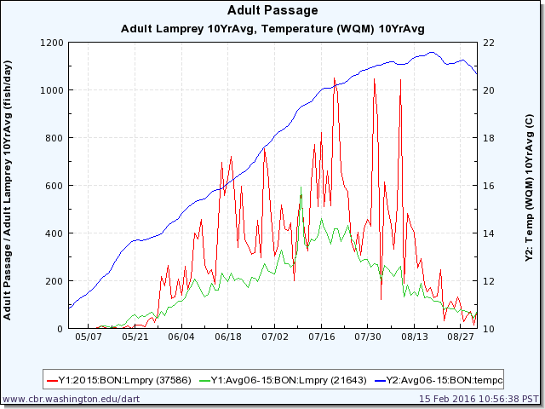
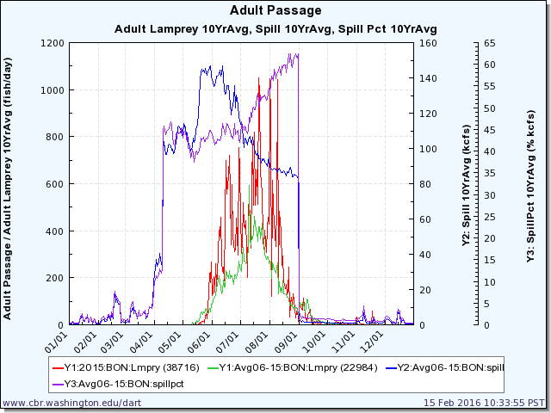
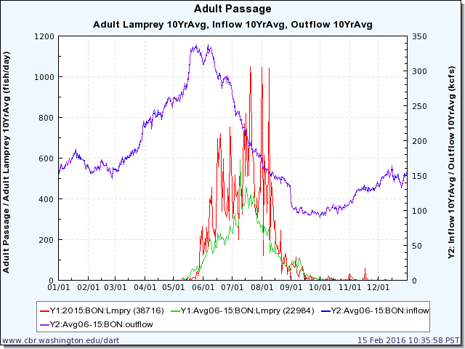
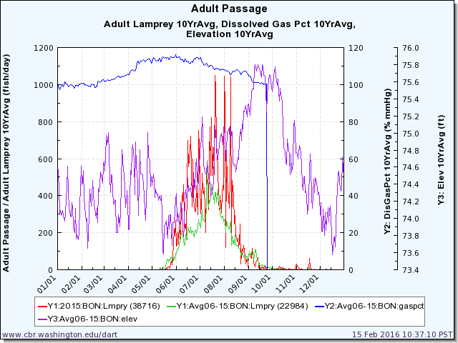
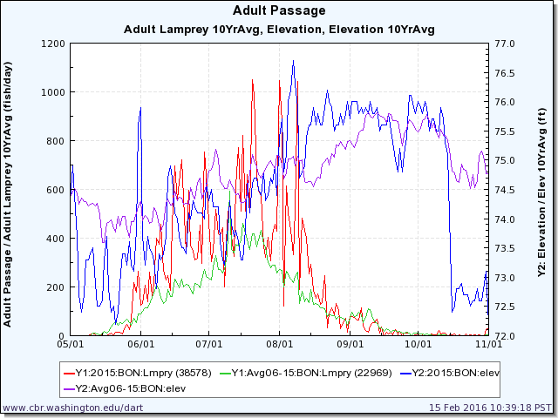
 |  |  |  |  |  |  |  |  |  |  |  |  |  |  |  |  |  | BON | 2015-06-23 | 373 | TDA | 2015-07-04 | 142 | JDA | 2015-06-21 | 152
 |  |  |  |  |  |  |  |  |  |  |  |  |  |  |  |  |  | BON | 2015-06-24 | 345 | TDA | 2015-07-05 | 126 | JDA | 2015-06-22 | 88
 |  |  |  |  |  |  |  |  |  |  |  |  |  |  |  |  |  | BON | 2015-06-25 | 311 | TDA | 2015-07-06 | 114 | JDA | 2015-06-23 | 122
 |  |  |  |  |  |  |  |  |  |  |  |  |  |  |  |  |  | BON | 2015-06-26 | 317 | TDA | 2015-07-07 | 125 | JDA | 2015-06-24 | 83
 |  |  |  |  |  |  |  |  |  |  |  |  |  |  |  |  |  | BON | 2015-06-27 | 455 | TDA | 2015-07-08 | 172 | JDA | 2015-06-25 | 90
 |  |  |  |  |  |  |  |  |  |  |  |  |  |  |  |  |  | BON | 2015-06-28 | 298 | TDA | 2015-07-09 | 102 | JDA | 2015-06-26 | 97
 |  |  |  |  |  |  |  |  |  |  |  |  |  |  |  |  |  | BON | 2015-06-29 | 753 | TDA | 2015-07-10 | 234 | JDA | 2015-06-27 | 85
 |  |  |  |  |  |  |  |  |  |  |  |  |  |  |  |  |  | BON | 2015-06-30 | 659 | TDA | 2015-07-11 | 181 | JDA | 2015-06-28 | 151
 |  |  |  |  |  |  |  |  |  |  |  |  |  |  |  |  |  | BON | 2015-07-01 | 464 | TDA | 2015-07-12 | 120 | JDA | 2015-06-29 | 208
 |  |  |  |  |  |  |  |  |  |  |  |  |  |  |  |  |  | BON | 2015-07-02 | 305 | TDA | 2015-07-13 | 127 | JDA | 2015-06-30 | 124
 |  |  |  |  |  |  |  |  |  |  |  |  |  |  |  |  |  | BON | 2015-07-03 | 347 | TDA | 2015-07-14 | 181 | JDA | 2015-07-01 | 162
 |  |  |  |  |  |  |  |  |  |  |  |  |  |  |  |  |  | BON | 2015-07-04 | 519 | TDA | 2015-07-15 | 133 | JDA | 2015-07-02 | 165
 |  |  |  |  |  |  |  |  |  |  |  |  |  |  |  |  |  | BON | 2015-07-05 | 418 | TDA | 2015-07-16 | 201 | JDA | 2015-07-03 | 258
 |  |  |  |  |  |  |  |  |  |  |  |  |  |  |  |  |  | BON | 2015-07-06 | 409 | TDA | 2015-07-17 | 203 | JDA | 2015-07-04 | 182
 |  |  |  |  |  |  |  |  |  |  |  |  |  |  |  |  |  | BON | 2015-07-07 | 442 | TDA | 2015-07-18 | 144 | JDA | 2015-07-05 | 123
 |  |  |  |  |  |  |  |  |  |  |  |  |  |  |  |  |  | BON | 2015-07-08 | 201 | TDA | 2015-07-19 | 121 | JDA | 2015-07-06 | 145
 |  |  |  |  |  |  |  |  |  |  |  |  |  |  |  |  |  | BON | 2015-07-09 | 456 | TDA | 2015-07-20 | 201 | JDA | 2015-07-07 | 115
 |  |  |  |  |  |  |  |  |  |  |  |  |  |  |  |  |  | BON | 2015-07-10 | 566 | TDA | 2015-07-21 | 193 | JDA | 2015-07-08 | 147
 |  |  |  |  |  |  |  |  |  |  |  |  |  |  |  |  |  | BON | 2015-07-11 | 407 | TDA | 2015-07-22 | 62 | JDA | 2015-07-09 | 198
 |  |  |  |  |  |  |  |  |  |  |  |  |  |  |  |  |  | BON | 2015-07-12 | 325 | TDA | 2015-07-23 | 99 | JDA | 2015-07-10 | 127
 |  |  |  |  |  |  |  |  |  |  |  |  |  |  |  |  |  | BON | 2015-07-13 | 613 | TDA | 2015-07-24 | 68 | JDA | 2015-07-11 | 168
 |  |  |  |  |  |  |  |  |  |  |  |  |  |  |  |  |  | BON | 2015-07-14 | 770 | TDA | 2015-07-25 | 54 | JDA | 2015-07-12 | 101
 |  |  |  |  |  |  |  |  |  |  |  |  |  |  |  |  |  | BON | 2015-07-15 | 510 | TDA | 2015-07-26 | 38 | JDA | 2015-07-13 | 74
 |  |  |  |  |  |  |  |  |  |  |  |  |  |  |  |  |  | BON | 2015-07-16 | 820 | TDA | 2015-07-27 | 51 | JDA | 2015-07-14 | 75
 |  |  |  |  |  |  |  |  |  |  |  |  |  |  |  |  |  | BON | 2015-07-17 | 509 | TDA | 2015-07-28 | 88 | JDA | 2015-07-15 | 80
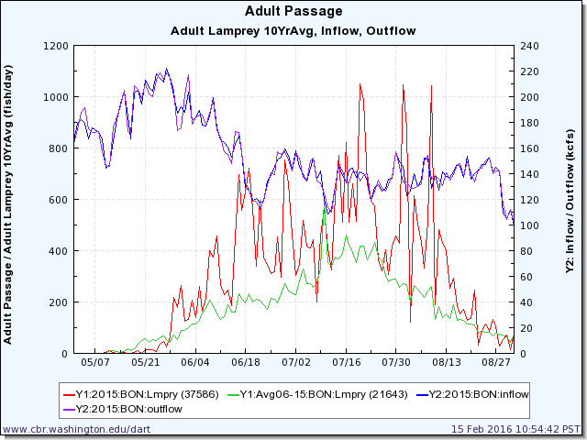
 |  |  |  |  |  |  |  |  |  |  |  |  |  |  |  |  |  | BON | 2015-07-18 | 660 | TDA | 2015-07-29 | 52 | JDA | 2015-07-16 | 86
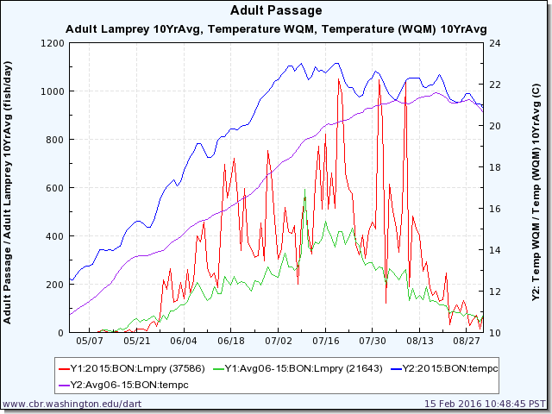
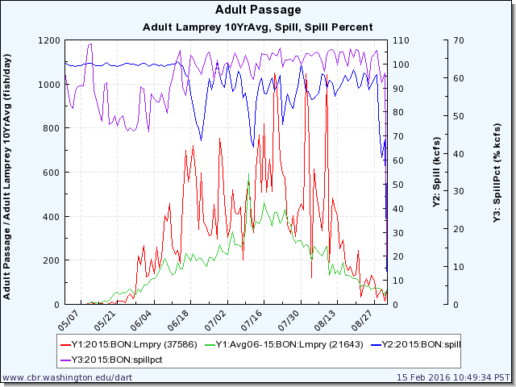
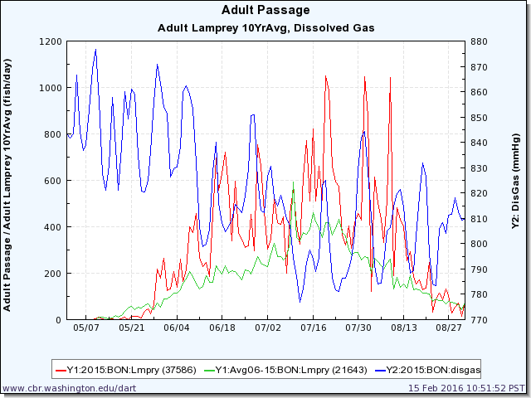
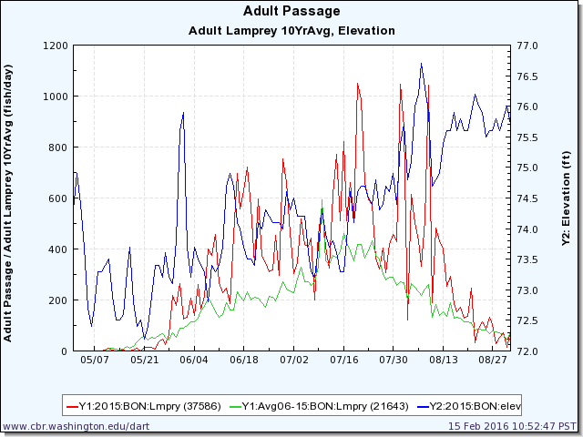
 |  |  |  |  |  |  |  |  |  |  |  |  |  |  |  |  |  | BON | 2015-07-19 | 514 | TDA | 2015-07-30 | 78 | JDA | 2015-07-17 | 98
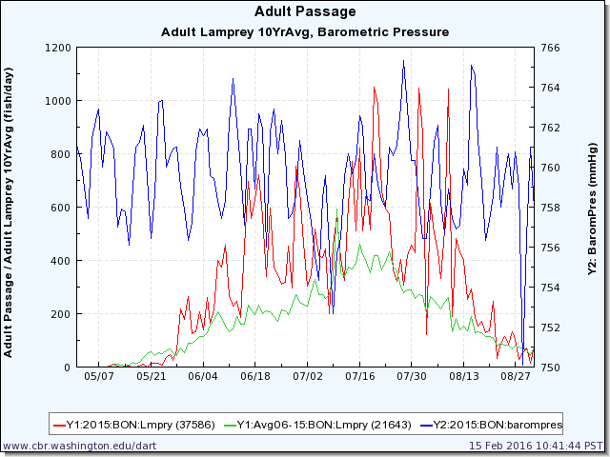
 |  |  |  |  |  |  |  |  |  |  |  |  |  |  |  |  |  | BON | 2015-07-20 | 1051 | TDA | 2015-07-31 | 114 | JDA | 2015-07-18 | 67
 |  |  |  |  |  |  |  |  |  |  |  |  |  |  |  |  |  | BON | 2015-07-21 | 985 | TDA | 2015-08-01 | 73 | JDA | 2015-07-19 | 55
 |  |  |  |  |  |  |  |  |  |  |  |  |  |  |  |  |  | BON | 2015-07-22 | 659 | TDA | 2015-08-02 | 106 | JDA | 2015-07-20 | 82
 |  |  |  |  |  |  |  |  |  |  |  |  |  |  |  |  |  | BON | 2015-07-23 | 594 | TDA | 2015-08-03 | 73 | JDA | 2015-07-21 | 86
 |  |  |  |  |  |  |  |  |  |  |  |  |  |  |  |  |  | BON | 2015-07-24 | 575 | TDA | 2015-08-04 | 54 | JDA | 2015-07-22 | 61
 |  |  |  |  |  |  |  |  |  |  |  |  |  |  |  |  |  | BON | 2015-07-25 | 363 | TDA | 2015-08-05 | 47 | JDA | 2015-07-23 | 72
 |  |  |  |  |  |  |  |  |  |  |  |  |  |  |  |  |  | BON | 2015-07-26 | 323 | TDA | 2015-08-06 | 90 | JDA | 2015-07-24 | 47
 |  |  |  |  |  |  |  |  |  |  |  |  |  |  |  |  |  | BON | 2015-07-27 | 402 | TDA | 2015-08-07 | 147 | JDA | 2015-07-25 | 47
 |  |  |  |  |  |  |  |  |  |  |  |  |  |  |  |  |  | BON | 2015-07-28 | 306 | TDA | 2015-08-08 | 117 | JDA | 2015-07-26 | 38
 |  |  |  |  |  |  |  |  |  |  |  |  |  |  |  |  |  | BON | 2015-07-29 | 417 | TDA | 2015-08-09 | 100 | JDA | 2015-07-27 | 52
 |  |  |  |  |  |  |  |  |  |  |  |  |  |  |  |  |  | BON | 2015-07-30 | 456 | TDA | 2015-08-10 | 149 | JDA | 2015-07-28 | 19
 |  |  |  |  |  |  |  |  |  |  |  |  |  |  |  |  |  | BON | 2015-07-31 | 428 | TDA | 2015-08-11 | 76 | JDA | 2015-07-29 | 43
 |  |  |  |  |  |  |  |  |  |  |  |  |  |  |  |  |  | BON | 2015-08-01 | 1047 | TDA | 2015-08-12 | 96 | JDA | 2015-07-30 | 25
 |  |  |  |  |  |  |  |  |  |  |  |  |  |  |  |  |  | BON | 2015-08-02 | 876 | TDA | 2015-08-13 | 111 | JDA | 2015-07-31 | 43
 |  |  |  |  |  |  |  |  |  |  |  |  |  |  |  |  |  | BON | 2015-08-03 | 120 | TDA | 2015-08-14 | 108 | JDA | 2015-08-01 | 40
 |  |  |  |  |  |  |  |  |  |  |  |  |  |  |  |  |  | BON | 2015-08-04 | 616 | TDA | 2015-08-15 | 62 | JDA | 2015-08-02 | 37
 |  |  |  |  |  |  |  |  |  |  |  |  |  |  |  |  |  | BON | 2015-08-05 | 503 | TDA | 2015-08-16 | 104 | JDA | 2015-08-03 | 49
 |  |  |  |  |  |  |  |  |  |  |  |  |  |  |  |  |  | BON | 2015-08-06 | 433 | TDA | 2015-08-17 | 81 | JDA | 2015-08-04 | 55
 |  |  |  |  |  |  |  |  |  |  |  |  |  |  |  |  |  | BON | 2015-08-07 | 332 | TDA | 2015-08-18 | 67 | JDA | 2015-08-05 | 41
 |  |  |  |  |  |  |  |  |  |  |  |  |  |  |  |  |  | BON | 2015-08-08 | 513 | TDA | 2015-08-19 | 89 | JDA | 2015-08-06 | 43
 |  |  |  |  |  |  |  |  |  |  |  |  |  |  |  |  |  | BON | 2015-08-09 | 1043 | TDA | 2015-08-20 | 108 | JDA | 2015-08-07 | 80
 |  |  |  |  |  |  |  |  |  |  |  |  |  |  |  |  |  | BON | 2015-08-10 | 190 | TDA | 2015-08-21 | 76 | JDA | 2015-08-08 | 64
 |  |  |  |  |  |  |  |  |  |  |  |  |  |  |  |  |  | BON | 2015-08-11 | 483 | TDA | 2015-08-22 | 80 | JDA | 2015-08-09 | 52
 |  |  |  |  |  |  |  |  |  |  |  |  |  |  |  |  |  | BON | 2015-08-12 | 432 | TDA | 2015-08-23 | 75 | JDA | 2015-08-10 | 69
 | high temperature helps lamprey pass? |  |  |  |  |  |  |  |  | increase in spill, more passage? (but could be from high flow, too - minimal impact) |  |  |  |  |  | high flow helps lamprey pass? (lamprey focusing on receding flow overall, but focus on small increase in flow) |  | BON | 2015-08-13 | 401 | TDA | 2015-08-24 | 45 | JDA | 2015-08-11 | 44 | dissolved gas = no relation
 |  |  |  |  |  |  |  |  |  | spill percent no relation |  |  |  |  |  |  |  | BON | 2015-08-14 | 252 | TDA | 2015-08-25 | 53 | JDA | 2015-08-12 | 52 |  | high elevation seems to help lamprey pass? (perhaps even more than temp?) | high barometric pressure (good weather) helps lamprey pass?
 |  |  |  |  |  |  |  |  |  |  |  |  |  |  |  |  |  | BON | 2015-08-15 | 292 | TDA | 2015-08-26 | 42 | JDA | 2015-08-13 | 35
 |  |  |  |  |  |  |  |  |  |  |  |  |  |  |  |  |  | BON | 2015-08-16 | 186 | TDA | 2015-08-27 | 25 | JDA | 2015-08-14 | 103
 |  |  |  |  |  |  |  |  |  |  |  |  |  |  |  |  |  | BON | 2015-08-17 | 155 | TDA | 2015-08-28 | 39 | JDA | 2015-08-15 | 81
 |  |  |  |  |  |  |  |  |  |  |  |  |  |  |  |  |  | BON | 2015-08-18 | 171 | TDA | 2015-08-29 | 20 | JDA | 2015-08-16 | 52
 |  |  |  |  |  |  |  |  |  |  |  |  |  |  |  |  |  | BON | 2015-08-19 | 128 | TDA | 2015-08-30 | 42 | JDA | 2015-08-17 | 28
 |  |  |  |  |  |  |  |  |  |  |  |  |  |  |  |  |  | BON | 2015-08-20 | 136 | TDA | 2015-08-31 | 30 | JDA | 2015-08-18 | 46
 |  |  |  |  |  |  |  |  |  |  |  |  |  |  |  |  |  | BON | 2015-08-21 | 246 | TDA | 2015-09-01 | 85 | JDA | 2015-08-19 | 48
 |  |  |  |  |  |  |  |  |  |  |  |  |  |  |  |  |  | BON | 2015-08-22 | 32 | TDA | 2015-09-02 | 56 | JDA | 2015-08-20 | 69
 |  |  |  |  |  |  |  |  |  |  |  |  |  |  |  |  |  | BON | 2015-08-23 | 89 | TDA | 2015-09-03 | 36 | JDA | 2015-08-21 | 55
 |  |  |  |  |  |  |  |  |  |  |  |  |  |  |  |  |  | BON | 2015-08-24 | 116 | TDA | 2015-09-04 | 25 | JDA | 2015-08-22 | 43
 |  |  |  |  |  |  |  |  |  |  |  |  |  |  |  |  |  | BON | 2015-08-25 | 85 | TDA | 2015-09-05 | 44 | JDA | 2015-08-23 | 34
 |  |  |  |  |  |  |  |  |  |  |  |  |  |  |  |  |  | BON | 2015-08-26 | 132 | TDA | 2015-09-06 | 56 | JDA | 2015-08-24 | 37
 |  |  |  |  |  |  |  |  |  |  |  |  |  |  |  |  |  | BON | 2015-08-27 | 105 | TDA | 2015-09-07 | 18 | JDA | 2015-08-25 | 28
 |  |  |  |  |  |  |  |  |  |  |  |  |  |  |  |  |  | BON | 2015-08-28 | 30 | TDA | 2015-09-08 | 35 | JDA | 2015-08-26 | 15
 |  |  |  |  |  |  |  |  |  |  |  |  |  |  |  |  |  | BON | 2015-08-29 | 52 | TDA | 2015-09-09 | 24 | JDA | 2015-08-27 | 48
 |  |  |  |  |  |  |  |  |  |  |  |  |  |  |  |  |  | BON | 2015-08-30 | 70 | TDA | 2015-09-10 | 27 | JDA | 2015-08-28 | 25
 |  |  |  |  |  |  |  |  |  |  |  |  |  |  |  |  |  | BON | 2015-08-31 | 14 | TDA | 2015-09-11 | 46 | JDA | 2015-08-29 | 23
 |  |  |  |  |  |  |  |  |  |  |  |  |  |  |  |  |  | BON | 2015-09-01 | 78 | TDA | 2015-09-12 | 49 | JDA | 2015-08-30 | 49
 |  |  |  |  |  |  |  |  |  |  |  |  |  |  |  |  |  | BON | 2015-09-02 | 80 | TDA | 2015-09-13 | 40 | JDA | 2015-08-31 | 20
 |  |  |  |  |  |  |  |  |  |  |  |  |  |  |  |  |  | BON | 2015-09-03 | 76 | TDA | 2015-09-14 | 18 | JDA | 2015-09-01 | 51
 |  |  |  |  |  |  |  |  |  |  |  |  |  |  |  |  |  | BON | 2015-09-04 | 66 | TDA | 2015-09-15 | 7 | JDA | 2015-09-02 | 51
 |  |  |  |  |  |  |  |  |  |  |  |  |  |  |  |  |  | BON | 2015-09-05 | 63 | TDA | 2015-09-16 | 16 | JDA | 2015-09-03 | 50
 |  |  |  |  |  |  |  |  |  |  |  |  |  |  |  |  |  | BON | 2015-09-06 | 114 | TDA | 2015-09-17 | 12 | JDA | 2015-09-04 | 35
 |  |  |  |  |  |  |  |  |  |  |  |  |  |  |  |  |  | BON | 2015-09-07 | 39 | TDA | 2015-09-18 | 9 | JDA | 2015-09-05 | 39
 |  |  |  |  |  |  |  |  |  |  |  |  |  |  |  |  |  | BON | 2015-09-08 | 22 | TDA | 2015-09-19 | 8 | JDA | 2015-09-06 | 26
 |  |  |  |  |  |  |  |  |  |  |  |  |  |  |  |  |  | BON | 2015-09-09 | 16 | TDA | 2015-09-20 | 9 | JDA | 2015-09-07 | 33
 |  |  |  |  |  |  |  |  |  |  |  |  |  |  |  |  |  | BON | 2015-09-10 | 38 | TDA | 2015-09-21 | 11 | JDA | 2015-09-08 | 25
 |  |  |  |  |  |  |  |  |  |  |  |  |  |  |  |  |  | BON | 2015-09-11 | 52 | TDA | 2015-09-22 | 11 | JDA | 2015-09-09 | 46
 |  |  |  |  |  |  |  |  |  |  |  |  |  |  |  |  |  | BON | 2015-09-12 | 53 | TDA | 2015-09-23 | 8 | JDA | 2015-09-10 | 33
 |  |  |  |  |  |  |  |  |  |  |  |  |  |  |  |  |  | BON | 2015-09-13 | 67 | TDA | 2015-09-24 | 7 | JDA | 2015-09-11 | 11
 |  |  |  |  |  |  |  |  |  |  |  |  |  |  |  |  |  | BON | 2015-09-14 | 11 | TDA | 2015-09-25 | 11 | JDA | 2015-09-12 | 15
 |  |  |  |  |  |  |  |  |  |  |  |  |  |  |  |  |  | BON | 2015-09-15 | 35 | TDA | 2015-09-26 | 15 | JDA | 2015-09-13 | 29
 |  |  |  |  |  |  |  |  |  |  |  |  |  |  |  |  |  | BON | 2015-09-17 | 15 | TDA | 2015-09-27 | 10 | JDA | 2015-09-14 | 39
 |  |  |  |  |  |  |  |  |  |  |  |  |  |  |  |  |  | BON | 2015-09-18 | 7 | TDA | 2015-09-28 | 4 | JDA | 2015-09-15 | 29
 |  |  |  |  |  |  |  |  |  |  |  |  |  |  |  |  |  | BON | 2015-09-19 | 13 | TDA | 2015-09-29 | 4 | JDA | 2015-09-16 | 36
 |  |  |  |  |  |  |  |  |  |  |  |  |  |  |  |  |  | BON | 2015-09-20 | 4 | TDA | 2015-09-30 | 2 | JDA | 2015-09-17 | 18
 |  |  |  |  |  |  |  |  |  |  |  |  |  |  |  |  |  | BON | 2015-09-21 | 25 | TDA | 2015-10-01 | 8 | JDA | 2015-09-18 | 20
...

2014
 | Bonneville Passage |  | Bonneville Collection
4/6/2014 | 1 | 5/23/2014 | 160
4/26/2014 | 1 | 6/5/2014 | 56
5/7/2014 | 1 | 6/10/2014 | 38
5/13/2014 | 4
5/14/2014 | 2
5/15/2014 | 4
5/16/2014 | 28
5/17/2014 | 25
5/18/2014 | 54
5/19/2014 | 52
5/20/2014 | 187
5/21/2014 | 309
5/22/2014 | 164
5/23/2014 | 188
5/24/2014 | 137
5/25/2014 | 260
5/26/2014 | 298
5/27/2014 | 239
5/28/2014 | 180
5/29/2014 | 232
5/30/2014 | 127
5/31/2014 | 108
6/1/2014 | 174
6/2/2014 | 103
6/3/2014 | 146
6/4/2014 | 306
6/5/2014 | 213
6/6/2014 | 478
6/7/2014 | 549
6/8/2014 | 466
6/9/2014 | 451
6/10/2014 | 204
6/11/2014 | 163
6/12/2014 | 241
6/13/2014 | 587
6/14/2014 | 219
6/15/2014 | 118
6/16/2014 | 348
6/17/2014 | 294
6/18/2014 | 127
6/19/2014 | 446
6/20/2014 | 198
6/21/2014 | 194
6/22/2014 | 96
6/23/2014 | 134
6/24/2014 | 250
6/25/2014 | 126
6/26/2014 | 145
6/27/2014 | 185
6/28/2014 | 207
...
 |  | The Dalles | Bonneville | BON | 2014-04-06 | 1 | TDA | 2014-06-02 | 1 | JDA | 2014-04-23 | 1
 |  | 0 | 160 | BON | 2014-04-26 | 1 | TDA | 2014-06-03 | 1 | JDA | 2014-05-07 | 1
 |  | 0 | 56 | BON | 2014-05-07 | 1 | TDA | 2014-06-04 | 1 | JDA | 2014-05-10 | 1
 |  | 0 | 38 | BON | 2014-05-13 | 4 | TDA | 2014-06-06 | 2 | JDA | 2014-05-11 | 4
 |  | 22 | 0 | BON | 2014-05-14 | 2 | TDA | 2014-06-07 | 11 | JDA | 2014-05-12 | 5
2014-06-19 | 5 | 12 | 0 | BON | 2014-05-15 | 4 | TDA | 2014-06-08 | 7 | JDA | 2014-05-13 | 2
2014-06-20 | 0 | 38 | 0 | BON | 2014-05-16 | 28 | TDA | 2014-06-09 | 16 | JDA | 2014-05-15 | 8
2014-06-21 | 1 | 5 | 0 | BON | 2014-05-17 | 25 | TDA | 2014-06-10 | 12 | JDA | 2014-05-16 | 1
2014-06-22 | 0 | 13 | 0 | BON | 2014-05-18 | 54 | TDA | 2014-06-11 | 22 | JDA | 2014-05-17 | 10
2014-06-23 | 8 | 6 | 0 | BON | 2014-05-19 | 52 | TDA | 2014-06-12 | 21 | JDA | 2014-05-18 | 11
2014-06-24 | 0 | 30 | 0 | BON | 2014-05-20 | 187 | TDA | 2014-06-13 | 24 | JDA | 2014-05-19 | 2
2014-06-30 | 0 | 17 | 0 | BON | 2014-05-21 | 309 | TDA | 2014-06-14 | 29 | JDA | 2014-05-20 | 26
2014-07-01 | 0 | 37 | 0 | BON | 2014-05-22 | 164 | TDA | 2014-06-15 | 38 | JDA | 2014-05-21 | 16
2014-07-02 | 17 | 14 | 0 | BON | 2014-05-23 | 188 | TDA | 2014-06-16 | 10 | JDA | 2014-05-22 | 36
2014-07-03 | 14 | 63 | 0 | BON | 2014-05-24 | 137 | TDA | 2014-06-17 | 24 | JDA | 2014-05-23 | 1
 | Bonneville Total | The Dalles Total | John Day Total | Accumulated Total
5/23/2014 | 160 | 0 | 0 | 160
6/5/2014 | 56 | 0 | 0 | 216
6/10/2014 | 38 | 0 | 0 | 254
6/18/2014 | 0 | 22 | 2 | 278
6/19/2014 | 0 | 12 | 5 | 295
6/20/2014 | 0 | 38 | 0 | 333
6/21/2014 | 0 | 5 | 1 | 339
6/22/2014 | 0 | 13 | 0 | 352
6/23/2014 | 0 | 6 | 8 | 366
6/24/2014 | 0 | 30 | 0 | 396
6/30/2014 | 0 | 17 | 0 | 413
7/1/2014 | 0 | 37 | 0 | 450
7/2/2014 | 0 | 14 | 17 | 481
7/3/2014 | 0 | 63 | 14 | 558
7/4/2014 | 0 | 11 | 30 | 599
7/5/2014 | 0 | 36 | 24 | 659
7/10/2014 | 0 | 0 | 17 | 676
7/11/2014 | 0 | 3 | 16 | 695
7/12/2014 | 0 | 30 | 30 | 755
7/13/2014 | 0 | 9 | 42 | 806
7/14/2014 | 0 | 0 | 2 | 808
7/15/2014 | 0 | 28 | 28 | 864
7/16/2014 | 0 | 0 | 18 | 882
7/28/2014 | 0 | 0 | 22 | 904
2014-07-04 | 30 | 11 | 0 | BON | 2014-05-25 | 260 | TDA | 2014-06-18 | 25 | JDA | 2014-05-24 | 8
2014-07-05 | 24 | 36 | 0 | BON | 2014-05-26 | 298 | TDA | 2014-06-19 | 62 | JDA | 2014-05-27 | 1
2014-07-10 | 17 | 0 | 0 | BON | 2014-05-27 | 239 | TDA | 2014-06-20 | 66 | JDA | 2014-05-28 | 2
 | The Dalles Passage |  | The Dalles Collection
6/2/2014 | 1 | 6/18/2014 | 22
6/3/2014 | 1 | 6/19/2014 | 12
6/4/2014 | 1 | 6/20/2014 | 38
6/6/2014 | 2 | 6/21/2014 | 5
6/7/2014 | 11 | 6/22/2014 | 13
6/8/2014 | 7 | 6/23/2014 | 6
6/9/2014 | 16 | 6/24/2014 | 30
6/10/2014 | 12 | 6/30/2014 | 17
6/11/2014 | 22 | 7/1/2014 | 37
6/12/2014 | 21 | 7/2/2014 | 14
6/13/2014 | 24 | 7/3/2014 | 63
6/14/2014 | 29 | 7/4/2014 | 11
6/15/2014 | 38 | 7/5/2014 | 36
6/16/2014 | 10 | 7/10/2014 | 0
6/17/2014 | 24 | 7/11/2014 | 3
6/18/2014 | 25 | 7/12/2014 | 30
6/19/2014 | 62 | 7/13/2014 | 9
6/20/2014 | 66 | 7/14/2014 | 0
6/21/2014 | 40 | 7/15/2014 | 28
6/22/2014 | 39 | 7/16/2014 | 0
6/23/2014 | 106
6/24/2014 | 145
6/25/2014 | 94
6/26/2014 | 93
6/27/2014 | 127
6/28/2014 | 162
6/29/2014 | 95
6/30/2014 | 54
7/1/2014 | 64
7/2/2014 | 107
7/3/2014 | 97
7/4/2014 | 61
7/5/2014 | 92
7/6/2014 | 213
7/7/2014 | 177
7/8/2014 | 243
7/9/2014 | 286
7/10/2014 | 195
7/11/2014 | 240
7/12/2014 | 138
7/13/2014 | 144
7/14/2014 | 245
7/15/2014 | 230
7/16/2014 | 146
7/17/2014 | 125
7/18/2014 | 167
7/19/2014 | 370
7/20/2014 | 521
7/21/2014 | 434
7/22/2014 | 124
...
2014-07-11 | 16 | 3 | 0 | BON | 2014-05-28 | 180 | TDA | 2014-06-21 | 40 | JDA | 2014-05-30 | 5
2014-07-12 | 30 | 30 | 0 | BON | 2014-05-29 | 232 | TDA | 2014-06-22 | 39 | JDA | 2014-06-02 | 5
2014-07-13 | 42 | 9 | 0 | BON | 2014-05-30 | 127 | TDA | 2014-06-23 | 106 | JDA | 2014-06-04 | 1
2014-07-14 | 2 | 0 | 0 | BON | 2014-05-31 | 108 | TDA | 2014-06-24 | 145 | JDA | 2014-06-06 | 2
2014-07-15 | 28 | 28 | 0 | BON | 2014-06-01 | 174 | TDA | 2014-06-25 | 94 | JDA | 2014-06-08 | 4
2014-07-16 | 18 | 0 | 0 | BON | 2014-06-02 | 103 | TDA | 2014-06-26 | 93 | JDA | 2014-06-09 | 1
2014-07-28 | 22 | 0 | 0 | BON | 2014-06-03 | 146 | TDA | 2014-06-27 | 127 | JDA | 2014-06-10 | 2
 |  |  |  | BON | 2014-06-04 | 306 | TDA | 2014-06-28 | 162 | JDA | 2014-06-12 | 5
 |  |  |  | BON | 2014-06-05 | 213 | TDA | 2014-06-29 | 95 | JDA | 2014-06-13 | 3
 |  |  |  | BON | 2014-06-06 | 478 | TDA | 2014-06-30 | 54 | JDA | 2014-06-14 | 7
 |  |  |  | BON | 2014-06-07 | 549 | TDA | 2014-07-01 | 64 | JDA | 2014-06-15 | 5
 |  |  |  | BON | 2014-06-08 | 466 | TDA | 2014-07-02 | 107 | JDA | 2014-06-16 | 22
 |  |  |  | BON | 2014-06-09 | 451 | TDA | 2014-07-03 | 97 | JDA | 2014-06-17 | 14
 |  |  |  | BON | 2014-06-10 | 204 | TDA | 2014-07-04 | 61 | JDA | 2014-06-18 | 6
 |  |  |  | BON | 2014-06-11 | 163 | TDA | 2014-07-05 | 92 | JDA | 2014-06-19 | 16
 |  |  |  | BON | 2014-06-12 | 241 | TDA | 2014-07-06 | 213 | JDA | 2014-06-20 | 22
 |  |  |  | BON | 2014-06-13 | 587 | TDA | 2014-07-07 | 177 | JDA | 2014-06-21 | 13
 |  |  |  | BON | 2014-06-14 | 219 | TDA | 2014-07-08 | 243 | JDA | 2014-06-22 | 24
 | John Day Passage |  | John Day Collection
4/23/2014 | 1 | 6/18/2014 | 2
5/7/2014 | 1 | 6/19/2014 | 5
5/10/2014 | 1 | 6/20/2014 | 0
5/11/2014 | 4 | 6/21/2014 | 1
5/12/2014 | 5 | 6/22/2014 | 0
5/13/2014 | 2 | 6/23/2014 | 8
5/15/2014 | 8 | 6/24/2014 | 0
5/16/2014 | 1 | 6/30/2014 | 0
5/17/2014 | 10 | 7/1/2014 | 0
5/18/2014 | 11 | 7/2/2014 | 17
5/19/2014 | 2 | 7/3/2014 | 14
5/20/2014 | 26 | 7/4/2014 | 30
5/21/2014 | 16 | 7/5/2014 | 24
5/22/2014 | 36 | 7/10/2014 | 17
5/23/2014 | 1 | 7/11/2014 | 16
5/24/2014 | 8 | 7/12/2014 | 30
5/27/2014 | 1 | 7/13/2014 | 42
5/28/2014 | 2 | 7/14/2014 | 2
5/30/2014 | 5 | 7/15/2014 | 28
6/2/2014 | 5 | 7/16/2014 | 18
6/4/2014 | 1 | 7/28/2014 | 22
6/6/2014 | 2
6/8/2014 | 4
6/9/2014 | 1
6/10/2014 | 2
6/12/2014 | 5
6/13/2014 | 3
6/14/2014 | 7
6/15/2014 | 5
6/16/2014 | 22
6/17/2014 | 14
6/18/2014 | 6
6/19/2014 | 16
6/20/2014 | 22
6/21/2014 | 13
6/22/2014 | 24
6/23/2014 | 23
6/24/2014 | 29
6/25/2014 | 39
6/26/2014 | 36
6/27/2014 | 37
6/28/2014 | 44
6/29/2014 | 73
6/30/2014 | 67
7/1/2014 | 83
7/2/2014 | 93
7/3/2014 | 115
7/4/2014 | 81
7/5/2014 | 91
7/6/2014 | 139
...
 |  |  |  | BON | 2014-06-15 | 118 | TDA | 2014-07-09 | 286 | JDA | 2014-06-23 | 23
 |  |  |  | BON | 2014-06-16 | 348 | TDA | 2014-07-10 | 195 | JDA | 2014-06-24 | 29
 |  |  |  | BON | 2014-06-17 | 294 | TDA | 2014-07-11 | 240 | JDA | 2014-06-25 | 39
 |  |  |  | BON | 2014-06-18 | 127 | TDA | 2014-07-12 | 138 | JDA | 2014-06-26 | 36
 |  |  |  | BON | 2014-06-19 | 446 | TDA | 2014-07-13 | 144 | JDA | 2014-06-27 | 37
 |  |  |  | BON | 2014-06-20 | 198 | TDA | 2014-07-14 | 245 | JDA | 2014-06-28 | 44
 |  |  |  | BON | 2014-06-21 | 194 | TDA | 2014-07-15 | 230 | JDA | 2014-06-29 | 73
 |  |  |  | BON | 2014-06-22 | 96 | TDA | 2014-07-16 | 146 | JDA | 2014-06-30 | 67
 |  |  |  | BON | 2014-06-23 | 134 | TDA | 2014-07-17 | 125 | JDA | 2014-07-01 | 83
 |  |  |  | BON | 2014-06-24 | 250 | TDA | 2014-07-18 | 167 | JDA | 2014-07-02 | 93
 |  |  |  | BON | 2014-06-25 | 126 | TDA | 2014-07-19 | 370 | JDA | 2014-07-03 | 115
 |  |  |  | BON | 2014-06-26 | 145 | TDA | 2014-07-20 | 521 | JDA | 2014-07-04 | 81
 |  |  |  | BON | 2014-06-27 | 185 | TDA | 2014-07-21 | 434 | JDA | 2014-07-05 | 91
 |  |  |  | BON | 2014-06-28 | 207 | TDA | 2014-07-22 | 124 | JDA | 2014-07-06 | 139
 |  |  |  | BON | 2014-06-29 | 339 | TDA | 2014-07-23 | 231 | JDA | 2014-07-07 | 128
 |  |  |  | BON | 2014-06-30 | 437 | TDA | 2014-07-24 | 306 | JDA | 2014-07-08 | 109
 |  |  |  | BON | 2014-07-01 | 643 | TDA | 2014-07-25 | 244 | JDA | 2014-07-09 | 117
 |  |  |  | BON | 2014-07-02 | 715 | TDA | 2014-07-26 | 348 | JDA | 2014-07-10 | 275
 |  |  |  | BON | 2014-07-03 | 446 | TDA | 2014-07-27 | 294 | JDA | 2014-07-11 | 211
 |  |  |  | BON | 2014-07-04 | 349 | TDA | 2014-07-28 | 153 | JDA | 2014-07-12 | 216
 |  |  |  | BON | 2014-07-05 | 334 | TDA | 2014-07-29 | 163 | JDA | 2014-07-13 | 204
 |  |  |  | BON | 2014-07-06 | 396 | TDA | 2014-07-30 | 105 | JDA | 2014-07-14 | 261
 |  |  |  | BON | 2014-07-07 | 373 | TDA | 2014-07-31 | 93 | JDA | 2014-07-15 | 225
 |  |  |  | BON | 2014-07-08 | 454 | TDA | 2014-08-01 | 96 | JDA | 2014-07-16 | 210
 |  |  |  | BON | 2014-07-09 | 790 | TDA | 2014-08-02 | 105 | JDA | 2014-07-17 | 223
 |  |  |  | BON | 2014-07-10 | 1027 | TDA | 2014-08-03 | 96 | JDA | 2014-07-18 | 147
 |  |  |  | BON | 2014-07-11 | 229 | TDA | 2014-08-04 | 140 | JDA | 2014-07-19 | 126
...

2013
 | Bonneville Passage |  | Bonneville Collection
5/9/2013 | 2 | 6/19/2013 | 141
5/10/2013 | 8 | 6/20/2013 | 51
5/11/2013 | 98 | 6/27/2013 | 0
5/12/2013 | 79
5/13/2013 | 62
5/14/2013 | 20
5/15/2013 | 72
5/16/2013 | 54
5/17/2013 | 33
5/18/2013 | 51
5/19/2013 | 95
5/20/2013 | 84
5/21/2013 | 78
5/22/2013 | 35
5/23/2013 | 43
5/24/2013 | 58
5/25/2013 | 80
5/26/2013 | 87
5/27/2013 | 52
5/28/2013 | 24
5/29/2013 | 28
5/30/2013 | 60
5/31/2013 | 91
6/1/2013 | 125
6/2/2013 | 135
6/3/2013 | 116
6/4/2013 | 173
6/5/2013 | 166
6/6/2013 | 216
6/7/2013 | 249
6/8/2013 | 161
6/9/2013 | 187
6/10/2013 | 203
6/11/2013 | 240
6/12/2013 | 218
6/13/2013 | 231
6/14/2013 | 222
6/15/2013 | 379
6/16/2013 | 404
6/17/2013 | 322
6/18/2013 | 242
6/19/2013 | 242
6/20/2013 | 216
6/21/2013 | 218
6/22/2013 | 168
6/23/2013 | 343
6/24/2013 | 119
6/25/2013 | 138
6/26/2013 | 111
6/27/2013 | 118
...
 | Bonneville Total | The Dalles Total | John Day Total | Accumulated Total
6/19/2013 | 141 | 0 | 0 | 128
6/20/2013 | 51 | 0 | 0 | 174
6/27/2013 | 0 | 30 | 4 | 208
6/28/2013 | 0 | 14 | 0 | 221
6/29/2013 | 0 | 16 | 5 | 240
6/30/2013 | 0 | 16 | 0 | 256
7/2/2013 | 46 | 0 | 0 | 302
7/11/2013 | 0 | 19 | 22 | 343
7/12/2013 | 0 | 12 | 26 | 375
7/13/2013 | 0 | 14 | 18 | 401
7/14/2013 | 0 | 14 | 2 | 410
7/19/2013 | 0 | 0 | 12 | 422
7/20/2013 | 0 | 7 | 14 | 443
7/21/2013 | 0 | 3 | 5 | 451
7/25/2013 | 0 | 0 | 15 | 466
7/26/2013 | 0 | 7 | 10 | 483
7/27/2013 | 0 | 5 | 4 | 492
7/28/2013 | 0 | 4 | 11 | 507
8/1/2013 | 0 | 4 | 12 | 523
8/2/2013 | 0 | 17 | 32 | 572
8/3/2013 | 0 | 7 | 2 | 581
8/4/2013 | 0 | 2 | 4 | 587
8/5/2013 | 0 | 7 | 6 | 600
 |  |  |  |  |  |  |  |  |  |  | BON | 2013-05-09 | 2 | TDA | 2013-06-05 | 1 | JDA | 2013-05-06 | 1
 |  |  |  |  |  | Mortality | Accumulated Total Collection (Live) |  | 46 | 40 | BON | 2013-05-10 | 8 | TDA | 2013-06-06 | 2 | JDA | 2013-05-09 | 4
 |  |  |  |  |  |  |  |  |  |  | BON | 2013-05-11 | 98 | TDA | 2013-06-07 | 2 | JDA | 2013-05-10 | 1
 |  |  |  |  |  | 13 | 128 | AFF dewatered salvage fish included |  |  | BON | 2013-05-12 | 79 | TDA | 2013-06-08 | 13 | JDA | 2013-05-11 | 4
 |  |  |  |  |  | 5 | 174 | AFF dewatered salvage fish included |  |  | BON | 2013-05-13 | 62 | TDA | 2013-06-09 | 28 | JDA | 2013-05-13 | 2
 |  |  |  |  |  |  | 208 | Trap fish only |  |  | BON | 2013-05-14 | 20 | TDA | 2013-06-10 | 23 | JDA | 2013-05-16 | 5
 |  |  |  |  |  | 1 | 221 | Trap fish only |  |  | BON | 2013-05-15 | 72 | TDA | 2013-06-11 | 41 | JDA | 2013-05-17 | 1
 |  |  |  |  |  | 2 | 240 | Trap fish only |  |  | BON | 2013-05-16 | 54 | TDA | 2013-06-12 | 33 | JDA | 2013-05-23 | 8
 |  |  |  |  |  |  | 256 | Trap fish only |  |  | BON | 2013-05-17 | 33 | TDA | 2013-06-13 | 39 | JDA | 2013-06-01 | 4
 |  |  |  |  |  |  | 302 | Trap fish only |  |  | BON | 2013-05-18 | 51 | TDA | 2013-06-14 | 31 | JDA | 2013-06-02 | 1
 |  |  |  |  |  |  | 343 | Trap fish only |  |  | BON | 2013-05-19 | 95 | TDA | 2013-06-15 | 53 | JDA | 2013-06-03 | 5
 |  |  |  |  |  | 6 | 375 | Trap fish only |  |  | BON | 2013-05-20 | 84 | TDA | 2013-06-16 | 36 | JDA | 2013-06-04 | 6
 |  |  |  |  |  | 6 | 401 | Trap fish only |  |  | BON | 2013-05-21 | 78 | TDA | 2013-06-17 | 46 | JDA | 2013-06-05 | 1
 |  |  |  |  |  | 7 | 410 | Trap fish only |  |  | BON | 2013-05-22 | 35 | TDA | 2013-06-18 | 69 | JDA | 2013-06-07 | 1
 |  |  |  |  |  |  | 422 | Trap fish only |  |  | BON | 2013-05-23 | 43 | TDA | 2013-06-19 | 71 | JDA | 2013-06-08 | 6
 |  |  |  |  |  |  | 443 | Trap fish only |  |  | BON | 2013-05-24 | 58 | TDA | 2013-06-20 | 31 | JDA | 2013-06-10 | 5
 |  |  |  |  |  |  | 451 | Trap fish only |  |  | BON | 2013-05-25 | 80 | TDA | 2013-06-21 | 41 | JDA | 2013-06-11 | 2
 | The Dalles Passage |  | The Dalles Collection
6/5/2013 | 1 | 6/20/2013 | 0
6/6/2013 | 2 | 6/27/2013 | 30
6/7/2013 | 2 | 6/28/2013 | 14
6/8/2013 | 13 | 6/29/2013 | 16
6/9/2013 | 28 | 6/30/2013 | 16
6/10/2013 | 23 | 7/2/2013 | 0
6/11/2013 | 41 | 7/11/2013 | 19
6/12/2013 | 33 | 7/12/2013 | 12
6/13/2013 | 39 | 7/13/2013 | 14
6/14/2013 | 31 | 7/14/2013 | 14
6/15/2013 | 53 | 7/19/2013 | 0
6/16/2013 | 36 | 7/20/2013 | 7
6/17/2013 | 46 | 7/21/2013 | 3
6/18/2013 | 69 | 7/25/2013 | 0
6/19/2013 | 71 | 7/26/2013 | 7
6/20/2013 | 31 | 7/27/2013 | 5
6/21/2013 | 41 | 7/28/2013 | 4
6/22/2013 | 35 | 8/1/2013 | 4
6/23/2013 | 44 | 8/2/2013 | 17
6/24/2013 | 37 | 8/3/2013 | 7
6/25/2013 | 27 | 8/4/2013 | 2
6/26/2013 | 38 | 8/5/2013 | 7
6/27/2013 | 13
6/28/2013 | 34
6/29/2013 | 23
6/30/2013 | 34
7/1/2013 | 60
7/2/2013 | 113
7/3/2013 | 93
7/4/2013 | 123
7/5/2013 | 272
7/6/2013 | 150
7/7/2013 | 100
7/8/2013 | 179
7/9/2013 | 105
7/10/2013 | 153
7/11/2013 | 129
7/12/2013 | 273
7/13/2013 | 89
7/14/2013 | 180
7/15/2013 | 77
7/16/2013 | 110
7/17/2013 | 232
7/18/2013 | 203
7/19/2013 | 211
7/20/2013 | 295
7/21/2013 | 223
7/22/2013 | 182
7/23/2013 | 190
7/24/2013 | 127
...
 |  |  |  |  |  |  | 466 | Trap fish only |  |  | BON | 2013-05-26 | 87 | TDA | 2013-06-22 | 35 | JDA | 2013-06-12 | 2
 |  |  |  |  |  |  | 483 | Trap fish only |  |  | BON | 2013-05-27 | 52 | TDA | 2013-06-23 | 44 | JDA | 2013-06-13 | 4
 |  |  |  |  |  |  | 492 | Trap fish only |  |  | BON | 2013-05-28 | 24 | TDA | 2013-06-24 | 37 | JDA | 2013-06-14 | 8
 |  |  |  |  |  |  | 507 | Trap fish only |  |  | BON | 2013-05-29 | 28 | TDA | 2013-06-25 | 27 | JDA | 2013-06-15 | 7
 |  |  |  |  |  |  | 523 | Trap fish only |  |  | BON | 2013-05-30 | 60 | TDA | 2013-06-26 | 38 | JDA | 2013-06-16 | 9
 |  |  |  |  |  |  | 572 | 21.3 C, Trap fish only |  |  | BON | 2013-05-31 | 91 | TDA | 2013-06-27 | 13 | JDA | 2013-06-17 | 11
 |  |  |  |  |  |  | 581 | 21.3 C, Trap fish only |  |  | BON | 2013-06-01 | 125 | TDA | 2013-06-28 | 34 | JDA | 2013-06-18 | 24
 |  |  |  |  |  |  | 587 | 21.9 C, Trap fish only |  |  | BON | 2013-06-02 | 135 | TDA | 2013-06-29 | 23 | JDA | 2013-06-19 | 37
 |  |  |  |  |  |  | 600 | Trap fish only |  |  | BON | 2013-06-03 | 116 | TDA | 2013-06-30 | 34 | JDA | 2013-06-20 | 18
 |  |  |  |  |  | 40 | 600 |  |  |  | BON | 2013-06-04 | 173 | TDA | 2013-07-01 | 60 | JDA | 2013-06-21 | 22
 |  |  |  |  |  |  |  |  |  |  | BON | 2013-06-05 | 166 | TDA | 2013-07-02 | 113 | JDA | 2013-06-22 | 23
 |  |  |  |  |  |  |  |  |  |  | BON | 2013-06-06 | 216 | TDA | 2013-07-03 | 93 | JDA | 2013-06-23 | 46
 |  |  |  |  |  |  |  |  |  |  | BON | 2013-06-07 | 249 | TDA | 2013-07-04 | 123 | JDA | 2013-06-24 | 25
Remaining Allocation |  |  | 83 | 0 | 83 | 0 |  |  |  |  | BON | 2013-06-08 | 161 | TDA | 2013-07-05 | 272 | JDA | 2013-06-25 | 18
NOTE: |  |  |  |  |  |  |  |  |  |  | BON | 2013-06-09 | 187 | TDA | 2013-07-06 | 150 | JDA | 2013-06-26 | 13
6/20/2013 - 6 morts prehandling (6/19 & 6/20 fish) |  |  |  |  |  |  |  |  |  |  | BON | 2013-06-10 | 203 | TDA | 2013-07-07 | 100 | JDA | 2013-06-27 | 41
6/24/2013 - 5 morts prehandling (6/19 & 6/20 fish), 2 morts post handling (6/19 & 6/20 fish) |  |  |  |  |  |  |  |  |  |  | BON | 2013-06-11 | 240 | TDA | 2013-07-08 | 179 | JDA | 2013-06-28 | 40
6/25/2013 - 1 mort post handling (6/19 & 6/20 fish) |  |  |  |  |  |  |  |  |  |  | BON | 2013-06-12 | 218 | TDA | 2013-07-09 | 105 | JDA | 2013-06-29 | 41
 | John Day Passage |  | John Day Collection
5/6/2013 | 1 | 6/20/2013 | 0
5/9/2013 | 4 | 6/27/2013 | 4
5/10/2013 | 1 | 6/28/2013 | 0
5/11/2013 | 4 | 6/29/2013 | 5
5/13/2013 | 2 | 6/30/2013 | 0
5/16/2013 | 5 | 7/2/2013 | 0
5/17/2013 | 1 | 7/11/2013 | 22
5/23/2013 | 8 | 7/12/2013 | 26
6/1/2013 | 4 | 7/13/2013 | 18
6/2/2013 | 1 | 7/14/2013 | 2
6/3/2013 | 5 | 7/19/2013 | 12
6/4/2013 | 6 | 7/20/2013 | 14
6/5/2013 | 1 | 7/21/2013 | 5
6/7/2013 | 1 | 7/25/2013 | 15
6/8/2013 | 6 | 7/26/2013 | 10
6/10/2013 | 5 | 7/27/2013 | 4
6/11/2013 | 2 | 7/28/2013 | 11
6/12/2013 | 2 | 8/1/2013 | 12
6/13/2013 | 4 | 8/2/2013 | 32
6/14/2013 | 8 | 8/3/2013 | 2
6/15/2013 | 7 | 8/4/2013 | 4
6/16/2013 | 9 | 8/5/2013 | 6
6/17/2013 | 11
6/18/2013 | 24
6/19/2013 | 37
6/20/2013 | 18
6/21/2013 | 22
6/22/2013 | 23
6/23/2013 | 46
6/24/2013 | 25
6/25/2013 | 18
6/26/2013 | 13
6/27/2013 | 41
6/28/2013 | 40
6/29/2013 | 41
6/30/2013 | 76
7/1/2013 | 84
7/2/2013 | 94
7/3/2013 | 72
7/4/2013 | 121
7/5/2013 | 97
7/6/2013 | 110
7/7/2013 | 82
7/8/2013 | 91
7/9/2013 | 95
7/10/2013 | 90
7/11/2013 | 91
7/12/2013 | 101
7/13/2013 | 72
7/14/2013 | 95
...
6/26/2013 - 1 mort post handling (6/19 & 6/20 fish) |  |  |  |  |  |  |  |  |  |  | BON | 2013-06-13 | 231 | TDA | 2013-07-10 | 153 | JDA | 2013-06-30 | 76
6/28/2013 - 2 mort post handling (6/19 & 6/20 & 6/28 fish) |  |  |  |  |  |  |  |  |  |  | BON | 2013-06-14 | 222 | TDA | 2013-07-11 | 129 | JDA | 2013-07-01 | 84
7/1/2013 - 3 mort post handling (6/19 & 6/20 fish [2] & 6/29 fish [1]) |  |  |  |  |  |  |  |  |  |  | BON | 2013-06-15 | 379 | TDA | 2013-07-12 | 273 | JDA | 2013-07-02 | 94
7/8/2013 - 1 mort post handling (6/29 fish) |  |  |  |  |  |  |  |  |  |  | BON | 2013-06-16 | 404 | TDA | 2013-07-13 | 89 | JDA | 2013-07-03 | 72
7/16/2013 - 19 morts pre-handling (7/12-7/14 fish - lamprey escaped out of tank) |  |  |  |  |  |  |  |  |  |  | BON | 2013-06-17 | 322 | TDA | 2013-07-14 | 180 | JDA | 2013-07-04 | 121
2013 Yakama Nation Pacific Lamprey Broodstock Collection
 | Daily Total Collection
6/19/2013 | 141
6/20/2013 | 51
6/27/2013 | 34
6/28/2013 | 14
6/29/2013 | 21
6/30/2013 | 16
7/2/2013 | 46
7/11/2013 | 41
7/12/2013 | 38
7/13/2013 | 32
7/14/2013 | 16
7/19/2013 | 12
7/20/2013 | 21
7/21/2013 | 8
7/25/2013 | 15
7/26/2013 | 17
7/27/2013 | 9
7/28/2013 | 15
8/1/2013 | 16
Total = | 40 |  |  |  |  |  |  |  |  |  | BON | 2013-06-18 | 242 | TDA | 2013-07-15 | 77 | JDA | 2013-07-05 | 97
 |  | 37 | 0.925 |  |  |  |  |  |  |  | BON | 2013-06-19 | 242 | TDA | 2013-07-16 | 110 | JDA | 2013-07-06 | 110
UI/NOAA Collecting up to 1675 lamprey |  |  |  |  |  |  |  |  |  |  | BON | 2013-06-20 | 216 | TDA | 2013-07-17 | 232 | JDA | 2013-07-07 | 82
900 tagged w/HDX-PIT only (general Bonnev. Passage & CI LPS |  |  |  |  |  |  |  |  |  |  | BON | 2013-06-21 | 218 | TDA | 2013-07-18 | 203 | JDA | 2013-07-08 | 91
50-75 w/RT/HDX-PIT (CI rest box #3 vs. CI LPS exit) |  |  |  |  |  |  |  |  |  |  | BON | 2013-06-22 | 168 | TDA | 2013-07-19 | 211 | JDA | 2013-07-09 | 95
400 w/JSATS/HDX-PIT (fate in Bonnev. Pool) |  |  |  |  |  |  |  |  |  |  | BON | 2013-06-23 | 343 | TDA | 2013-07-20 | 295 | JDA | 2013-07-10 | 90
300 w.HDX-PIT only (LFS experiment) |  |  |  |  |  |  |  |  |  |  | BON | 2013-06-24 | 119 | TDA | 2013-07-21 | 223 | JDA | 2013-07-11 | 91
 |  |  |  |  |  |  |  |  |  |  | BON | 2013-06-25 | 138 | TDA | 2013-07-22 | 182 | JDA | 2013-07-12 | 101
Tribal Collection Allocation Guidelines for 2013 (per Tribe) |  |  |  |  |  |  |  |  |  |  | BON | 2013-06-26 | 111 | TDA | 2013-07-23 | 190 | JDA | 2013-07-13 | 72
Location | Allocation |  |  |  |  |  |  |  |  |  | BON | 2013-06-27 | 118 | TDA | 2013-07-24 | 127 | JDA | 2013-07-14 | 95
Bonneville Dam | 238 |  |  |  |  |  |  |  |  |  | BON | 2013-06-28 | 188 | TDA | 2013-07-25 | 158 | JDA | 2013-07-15 | 87
The Dalles | 281 |  |  |  |  |  |  |  |  |  | BON | 2013-06-29 | 237 | TDA | 2013-07-26 | 161 | JDA | 2013-07-16 | 113
John Day | 204 |  |  |  |  |  |  |  |  |  | BON | 2013-06-30 | 242 | TDA | 2013-07-27 | 211 | JDA | 2013-07-17 | 121
Total | 723 |  |  |  |  |  |  |  |  |  | BON | 2013-07-01 | 222 | TDA | 2013-07-28 | 128 | JDA | 2013-07-18 | 111
*CTUIR, YN and NPT collecting in conjuction for 2013 |  |  |  |  |  |  |  |  |  |  | BON | 2013-07-02 | 198 | TDA | 2013-07-29 | 160 | JDA | 2013-07-19 | 81
 |  |  |  |  |  |  |  |  |  |  | BON | 2013-07-03 | 312 | TDA | 2013-07-30 | 103 | JDA | 2013-07-20 | 111
 |  |  |  |  |  |  |  |  |  |  | BON | 2013-07-04 | 366 | TDA | 2013-07-31 | 147 | JDA | 2013-07-21 | 78
 |  |  |  |  |  |  |  |  |  |  | BON | 2013-07-05 | 404 | TDA | 2013-08-01 | 166 | JDA | 2013-07-22 | 73
 |  |  |  |  |  |  |  |  |  |  | BON | 2013-07-06 | 281 | TDA | 2013-08-02 | 191 | JDA | 2013-07-23 | 98
 |  |  |  |  |  |  |  |  |  |  | BON | 2013-07-07 | 320 | TDA | 2013-08-03 | 144 | JDA | 2013-07-24 | 80
 |  |  |  |  |  |  |  |  |  |  | BON | 2013-07-08 | 344 | TDA | 2013-08-04 | 120 | JDA | 2013-07-25 | 119
 |  |  |  |  |  |  |  |  |  |  | BON | 2013-07-09 | 373 | TDA | 2013-08-05 | 144 | JDA | 2013-07-26 | 83
 |  |  |  |  |  |  |  |  |  |  | BON | 2013-07-10 | 685 | TDA
 |  |  |  |  |  |  |  |  |  |  | BON | 2013-07-11 | 428 | TDA
 |  |  |  |  |  |  |  |  |  |  | BON | 2013-07-12 | 318 | TDA
 |  |  |  |  |  |  |  |  |  |  | BON | 2013-07-13 | 365 | TDA
 |  |  |  |  |  |  |  |  |  |  | BON | 2013-07-14 | 365 | TDA
 |  |  |  |  |  |  |  |  |  |  | BON | 2013-07-15 | 364 | TDA
 |  |  |  |  |  |  |  |  |  |  | BON | 2013-07-16 | 333 | TDA
 |  |  |  |  |  |  |  |  |  |  | BON | 2013-07-17 | 318 | TDA
 |  |  |  |  |  |  |  |  |  |  | BON | 2013-07-18 | 357 | TDA
...

2012
 | Bonneville Total | The Dalles Total | John Day Total | Accumulated Total
6/13/2012 | 80 | 0 | 0 | 80
7/6/2012 | 0 | 3 | 8 | 91
7/7/2012 | 0 | 3 | 8 | 102
7/8/2012 | 0 | 6 | 6 | 114
7/13/2012 | 0 | 0 | 6 | 120
7/14/2012 | 0 | 7 | 10 | 137
7/15/2012 | 0 | 24 | 10 | 171
7/20/2012 | 0 | 3 | 41 | 203
7/21/2012 | 0 | 6 | 7 | 214
7/22/2012 | 0 | 33 | 4 | 251
7/27/2012 | 0 | 0 | 21 | 272
7/28/2012 | 0 | 11 | 5 | 288
7/29/2012 | 0 | 12 | 2 | 300
 | Bonneville Passage |  | Bonneville Collection
4/25/2012 | 1 | 6/13/2012 | 80
4/26/2012 | 4 | 7/6/2012 | 0
4/27/2012 | 11
4/29/2012 | 2
4/30/2012 | 2
5/1/2012 | 6
5/2/2012 | 6
5/3/2012 | 4
5/4/2012 | 1
5/6/2012 | 2
5/7/2012 | 2
5/8/2012 | 2
5/10/2012 | 1
5/12/2012 | 2
5/14/2012 | 8
5/15/2012 | 2
5/16/2012 | 54
5/17/2012 | 19
5/18/2012 | 31
5/19/2012 | 70
5/20/2012 | 150
5/21/2012 | 139
5/22/2012 | 141
5/23/2012 | 136
5/24/2012 | 115
5/25/2012 | 93
5/26/2012 | 46
5/27/2012 | 13
5/28/2012 | 15
5/29/2012 | 25
5/30/2012 | 29
5/31/2012 | 29
6/1/2012 | 41
6/2/2012 | 212
6/3/2012 | 244
6/4/2012 | 113
6/5/2012 | 150
6/6/2012 | 64
6/7/2012 | 180
6/8/2012 | 518
6/9/2012 | 312
6/10/2012 | 99
6/11/2012 | 134
6/12/2012 | 207
6/13/2012 | 252
6/14/2012 | 240
6/15/2012 | 134
6/16/2012 | 231
6/17/2012 | 452
6/18/2012 | 462
...
 |  |  |  |  |  | BON | 2012-04-25 | 1 | TDA | 2012-06-15 | 2 | JDA | 2012-04-26 | 1
BON Cascade Island | BON AFF | Bonneville Total | Daily Total | Mortality | Accumulated Total | BON | 2012-04-26 | 4 | TDA | 2012-06-17 | 2 | JDA | 2012-05-05 | 1
0 | 80 | 80 | 80 |  | 80 | BON | 2012-04-27 | 11 | TDA | 2012-06-18 | 2 | JDA | 2012-05-19 | 1
0 | 0 | 0 | 11 |  | 91 | BON | 2012-04-29 | 2 | TDA | 2012-06-20 | 7 | JDA | 2012-05-21 | 1
0 | 0 | 0 | 11 |  | 102 | BON | 2012-04-30 | 2 | TDA | 2012-06-21 | 4 | JDA | 2012-05-22 | 1
0 | 0 | 0 | 12 |  | 114 | BON | 2012-05-01 | 6 | TDA | 2012-06-22 | 8 | JDA | 2012-05-23 | 1
0 | 0 | 0 | 6 |  | 120 | BON | 2012-05-02 | 6 | TDA | 2012-06-23 | 5 | JDA | 2012-06-01 | 1
0 | 0 | 0 | 17 |  | 137 | BON | 2012-05-03 | 4 | TDA | 2012-06-24 | 9 | JDA | 2012-06-05 | 1
0 | 0 | 0 | 34 |  | 171 | BON | 2012-05-04 | 1 | TDA | 2012-06-25 | 17 | JDA | 2012-06-08 | 2
0 | 0 | 0 | 44 | 12 | 203 | BON | 2012-05-06 | 2 | TDA | 2012-06-26 | 15 | JDA | 2012-06-09 | 1
0 | 0 | 0 | 13 | 2 | 214 | BON | 2012-05-07 | 2 | TDA | 2012-06-27 | 17 | JDA | 2012-06-13 | 1
0 | 0 | 0 | 37 |  | 251 | BON | 2012-05-08 | 2 | TDA | 2012-06-28 | 18 | JDA | 2012-06-15 | 1
0 | 0 | 0 | 21 |  | 272 | BON | 2012-05-10 | 1 | TDA | 2012-06-29 | 21 | JDA | 2012-06-18 | 1
0 | 0 | 0 | 16 |  | 288 | BON | 2012-05-12 | 2 | TDA | 2012-06-30 | 13 | JDA | 2012-06-19 | 2
0 | 0 | 0 | 14 | 2 | 300 | BON | 2012-05-14 | 8 | TDA | 2012-07-01 | 23 | JDA | 2012-06-22 | 2
0 | 80 | 80 | 316 | 16 |  | BON | 2012-05-15 | 2 | TDA | 2012-07-02 | 19 | JDA | 2012-06-24 | 1
 | The Dalles Passage |  | The Dalles Collection
6/15/2012 | 2 | 7/6/2012 | 3
6/17/2012 | 2 | 7/7/2012 | 3
6/18/2012 | 2 | 7/8/2012 | 6
6/20/2012 | 7 | 7/13/2012 | 0
6/21/2012 | 4 | 7/14/2012 | 7
6/22/2012 | 8 | 7/15/2012 | 24
6/23/2012 | 5 | 7/20/2012 | 3
6/24/2012 | 9 | 7/21/2012 | 6
6/25/2012 | 17 | 7/22/2012 | 33
6/26/2012 | 15 | 7/27/2012 | 0
6/27/2012 | 17 | 7/28/2012 | 11
6/28/2012 | 18 | 7/29/2012 | 12
6/29/2012 | 21
6/30/2012 | 13
7/1/2012 | 23
7/2/2012 | 19
7/3/2012 | 12
7/4/2012 | 2
7/5/2012 | 16
7/6/2012 | 36
7/7/2012 | 52
7/8/2012 | 40
7/9/2012 | 113
7/10/2012 | 138
7/11/2012 | 74
7/12/2012 | 79
7/13/2012 | 57
7/14/2012 | 55
7/15/2012 | 112
7/16/2012 | 51
7/17/2012 | 82
7/18/2012 | 58
7/19/2012 | 97
7/20/2012 | 90
7/21/2012 | 43
7/22/2012 | 61
7/23/2012 | 86
7/24/2012 | 110
7/25/2012 | 115
7/26/2012 | 106
7/27/2012 | 122
7/28/2012 | 133
7/29/2012 | 91
7/30/2012 | 121
7/31/2012 | 168
8/1/2012 | 110
8/2/2012 | 138
8/3/2012 | 87
8/4/2012 | 71
8/5/2012 | 162
...
 |  |  |  |  |  | BON | 2012-05-16 | 54 | TDA | 2012-07-03 | 12 | JDA | 2012-06-25 | 2
 |  | Transportation Mortality %: |  |  | 3.8 | BON | 2012-05-17 | 19 | TDA | 2012-07-04 | 2 | JDA | 2012-06-27 | 3
 |  | Overall Mortality %: |  |  | 5.1 | BON | 2012-05-18 | 31 | TDA | 2012-07-05 | 16 | JDA | 2012-06-28 | 2
 |  |  |  |  |  | BON | 2012-05-19 | 70 | TDA | 2012-07-06 | 36 | JDA | 2012-06-29 | 12
 |  |  |  |  |  | BON | 2012-05-20 | 150 | TDA | 2012-07-07 | 52 | JDA | 2012-06-30 | 6
 |  |  |  |  |  | BON | 2012-05-21 | 139 | TDA | 2012-07-08 | 40 | JDA | 2012-07-01 | 2
 |  |  |  |  |  | BON | 2012-05-22 | 141 | TDA | 2012-07-09 | 113 | JDA | 2012-07-02 | 14
 |  |  |  |  |  | BON | 2012-05-23 | 136 | TDA | 2012-07-10 | 138 | JDA | 2012-07-03 | 11
 |  |  |  |  |  | BON | 2012-05-24 | 115 | TDA | 2012-07-11 | 74 | JDA | 2012-07-04 | 13
 |  |  |  |  |  | BON | 2012-05-25 | 93 | TDA | 2012-07-12 | 79 | JDA | 2012-07-05 | 2
 |  |  |  |  |  | BON | 2012-05-26 | 46 | TDA | 2012-07-13 | 57 | JDA | 2012-07-06 | 16
 |  |  |  |  |  | BON | 2012-05-27 | 13 | TDA | 2012-07-14 | 55 | JDA | 2012-07-07 | 24
 |  |  |  |  |  | BON | 2012-05-28 | 15 | TDA | 2012-07-15 | 112 | JDA | 2012-07-08 | 26
 |  |  |  |  |  | BON | 2012-05-29 | 25 | TDA | 2012-07-16 | 51 | JDA | 2012-07-09 | 33
 |  |  |  |  |  | BON | 2012-05-30 | 29 | TDA | 2012-07-17 | 82 | JDA | 2012-07-10 | 36
 |  |  |  |  |  | BON | 2012-05-31 | 29 | TDA | 2012-07-18 | 58 | JDA | 2012-07-11 | 26
 |  |  |  |  |  | BON | 2012-06-01 | 41 | TDA | 2012-07-19 | 97 | JDA | 2012-07-12 | 43
 |  |  |  |  |  | BON | 2012-06-02 | 212 | TDA | 2012-07-20 | 90 | JDA | 2012-07-13 | 60
 | John Day Passage |  | John Day Collection
4/26/2012 | 1 | 7/6/2012 | 8
5/5/2012 | 1 | 7/7/2012 | 8
5/19/2012 | 1 | 7/8/2012 | 6
5/21/2012 | 1 | 7/13/2012 | 6
5/22/2012 | 1 | 7/14/2012 | 10
5/23/2012 | 1 | 7/15/2012 | 10
6/1/2012 | 1 | 7/20/2012 | 41
6/5/2012 | 1 | 7/21/2012 | 7
6/8/2012 | 2 | 7/22/2012 | 4
6/9/2012 | 1 | 7/27/2012 | 21
6/13/2012 | 1 | 7/28/2012 | 5
6/15/2012 | 1 | 7/29/2012 | 2
6/18/2012 | 1
6/19/2012 | 2
6/22/2012 | 2
6/24/2012 | 1
6/25/2012 | 2
6/27/2012 | 3
6/28/2012 | 2
6/29/2012 | 12
6/30/2012 | 6
7/1/2012 | 2
7/2/2012 | 14
7/3/2012 | 11
7/4/2012 | 13
7/5/2012 | 2
7/6/2012 | 16
7/7/2012 | 24
7/8/2012 | 26
7/9/2012 | 33
7/10/2012 | 36
7/11/2012 | 26
7/12/2012 | 43
7/13/2012 | 60
7/14/2012 | 62
7/15/2012 | 40
7/16/2012 | 52
7/17/2012 | 70
7/18/2012 | 42
7/19/2012 | 45
7/20/2012 | 102
7/21/2012 | 83
7/22/2012 | 73
7/23/2012 | 71
7/24/2012 | 54
7/25/2012 | 99
7/26/2012 | 112
7/27/2012 | 78
7/28/2012 | 132
7/29/2012 | 57
...
 |  |  |  |  |  | BON | 2012-06-03 | 244 | TDA | 2012-07-21 | 43 | JDA | 2012-07-14 | 62
 |  |  |  |  |  | BON | 2012-06-04 | 113 | TDA | 2012-07-22 | 61 | JDA | 2012-07-15 | 40
 |  |  |  |  |  | BON | 2012-06-05 | 150 | TDA | 2012-07-23 | 86 | JDA | 2012-07-16 | 52
 |  |  |  |  |  | BON | 2012-06-06 | 64 | TDA | 2012-07-24 | 110 | JDA | 2012-07-17 | 70
 |  |  |  |  |  | BON | 2012-06-07 | 180 | TDA | 2012-07-25 | 115 | JDA | 2012-07-18 | 42
 |  |  |  |  |  | BON | 2012-06-08 | 518 | TDA | 2012-07-26 | 106 | JDA | 2012-07-19 | 45
 |  |  |  |  |  | BON | 2012-06-09 | 312 | TDA | 2012-07-27 | 122 | JDA | 2012-07-20 | 102
 |  |  |  |  |  | BON | 2012-06-10 | 99 | TDA | 2012-07-28 | 133 | JDA | 2012-07-21 | 83
 |  |  |  |  |  | BON | 2012-06-11 | 134 | TDA | 2012-07-29 | 91 | JDA | 2012-07-22 | 73
 |  |  |  |  |  |  | 2012-06-12 | 207 | TDA | 2012-07-30 | 121 | JDA | 2012-07-23 | 71
 |  |  |  |  |  |  | 2012-06-13 | 252 | TDA | 2012-07-31 | 168 | JDA | 2012-07-24 | 54
 |  |  |  |  |  |  | 2012-06-14 | 240 | TDA | 2012-08-01 | 110 | JDA | 2012-07-25 | 99
 |  |  |  |  |  |  | 2012-06-15 | 134 | TDA | 2012-08-02 | 138 | JDA | 2012-07-26 | 112
 |  |  |  |  |  |  | 2012-06-16 | 231 | TDA | 2012-08-03 | 87 | JDA | 2012-07-27 | 78
 |  |  |  |  |  |  | 2012-06-17 | 452 | TDA | 2012-08-04 | 71 | JDA | 2012-07-28 | 132
 |  |  |  |  |  |  | 2012-06-18 | 462 | TDA | 2012-08-05 | 162 | JDA | 2012-07-29 | 57
 |  |  |  |  |  |  | 2012-06-19 | 255 | TDA | 2012-08-06 | 168 | JDA | 2012-07-30 | 136
 |  |  |  |  |  |  | 2012-06-20 | 245 | TDA | 2012-08-07 | 72 | JDA | 2012-07-31 | 96
 |  |  |  |  |  |  | 2012-06-21 | 445 | TDA | 2012-08-08 | 148 | JDA | 2012-08-01 | 97
 |  |  |  |  |  |  | 2012-06-22 | 431 | TDA | 2012-08-09 | 177 | JDA | 2012-08-02 | 136
 |  |  |  |  |  |  | 2012-06-23 | 342 | TDA | 2012-08-10 | 152 | JDA | 2012-08-03 | 145
 |  |  |  |  |  |  | 2012-06-24 | 300 | TDA | 2012-08-11 | 138 | JDA | 2012-08-04 | 102
 |  |  |  |  |  |  | 2012-06-25 | 362 | TDA | 2012-08-12 | 150 | JDA | 2012-08-05 | 78
 |  |  |  |  |  |  | 2012-06-26 | 321 | TDA | 2012-08-13 | 152 | JDA | 2012-08-06 | 106
 |  |  |  |  |  |  | 2012-06-27 | 242 | TDA | 2012-08-14 | 118 | JDA | 2012-08-07 | 101
 |  |  |  |  |  |  | 2012-06-28 | 414 | TDA | 2012-08-15 | 101 | JDA | 2012-08-08 | 73
 |  |  |  |  |  |  | 2012-06-29 | 361 | TDA | 2012-08-16 | 105 | JDA | 2012-08-09 | 95
...

2011
 | Bonneville Total | The Dalles Total | John Day Total | Accumulated Total
 | 3 | 0 | 0 | 3
 | 0 | 0 | 1 | 4
 | 8 | 1 | 4 | 17
 | 9 | 7 | 2 | 26
 | 0 | 0 | 0 | 26
 | 0 | 2 | 3 | 31
 | 9 | 2 | 2 | 44
 | 0 | 1 | 8 | 53
 | 0 | 1 | 4 | 58
 | 0 | 1 | 9 | 68
 | 15 | 1 | 5 | 89
 | 51 | 0 | 4 | 140
 | 27 | 0 | 0 | 167
 | 0 | 5 | 10 | 182
 | 0 | 18 | 11 | 211
 | 0 | 9 | 13 | 233
 | 0 | 12 | 1 | 246
 | 0 | 7 | 9 | 262
 | 0 | 7 | 11 | 280
 | 0 | 1 | 1 | 282
 | 0 | 2 | 2 | 286
 | 0 | 5 | 4 | 295
 |  |  |  |  |  | BON | 2011-03-15 | 0 | TDA | 2011-06-17 | 1 | JDA | 2011-05-22 | 1
Daily Total | Mortality | Umatilla Tribe | Nez Perce Tribe | Radio Tag Study | Accumulated Total | BON | 2011-03-16 | 0 | TDA | 2011-06-23 | 1 | JDA | 2011-06-05 | 1
3 |  |  |  |  | 3 | BON | 2011-03-17 | 0 | TDA | 2011-06-24 | 1 | JDA | 2011-06-07 | 1
 | Bonneville Passage |  | Bonneville Collection
3/15/2011 | 0 | 6/25/2011 | 3
3/16/2011 | 0 | 6/26/2011 | 0
3/17/2011 | 0 | 7/2/2011 | 8
3/18/2011 | 0 | 7/3/2011 | 9
3/19/2011 | 0 | 7/7/2011 | 0
3/20/2011 | 0 | 7/8/2011 | 0
3/21/2011 | 0 | 7/9/2011 | 9
3/22/2011 | 0 | 7/15/2011 | 0
3/23/2011 | 0 | 7/16/2011 | 0
3/24/2011 | 0 | 7/17/2011 | 0
3/25/2011 | 0 | 7/22/2011 | 15
3/26/2011 | 0 | 7/23/2011 | 51
3/27/2011 | 0 | 7/24/2011 | 27
3/28/2011 | 0 | 7/29/2011 | 0
3/29/2011 | 0
3/30/2011 | 0
3/31/2011 | 0
4/1/2011 | 0
4/2/2011 | 0
4/3/2011 | 0
4/4/2011 | 0
4/5/2011 | 0
4/6/2011 | 0
4/7/2011 | 0
4/8/2011 | 0
4/9/2011 | 0
4/10/2011 | 0
4/11/2011 | 0
4/12/2011 | 0
4/13/2011 | 0
4/14/2011 | 0
4/15/2011 | 0
4/16/2011 | 0
4/17/2011 | 0
4/18/2011 | 0
4/19/2011 | 0
4/20/2011 | 0
4/21/2011 | 0
4/22/2011 | 0
4/23/2011 | 0
4/24/2011 | 0
4/25/2011 | 0
4/26/2011 | 0
4/27/2011 | 0
4/28/2011 | 0
4/29/2011 | 0
4/30/2011 | 0
5/1/2011 | 0
5/2/2011 | 0
5/3/2011 | 0
...
1 |  |  |  |  | 4 | BON | 2011-03-18 | 0 | TDA | 2011-06-25 | 3 | JDA | 2011-06-10 | 4
13 |  |  |  |  | 17 | BON | 2011-03-19 | 0 | TDA | 2011-06-26 | 1 | JDA | 2011-06-11 | 4
18 |  | 9 |  |  | 26 | BON | 2011-03-20 | 0 | TDA | 2011-06-27 | 7 | JDA | 2011-06-17 | 1
0 |  |  |  |  | 26 | BON | 2011-03-21 | 0 | TDA | 2011-06-28 | 4 | JDA | 2011-06-20 | 1
5 |  |  |  |  | 31 | BON | 2011-03-22 | 0 | TDA | 2011-06-29 | 6 | JDA | 2011-06-24 | 1
13 |  |  |  |  | 44 | BON | 2011-03-23 | 0 | TDA | 2011-06-30 | 2 | JDA | 2011-06-25 | 1
9 |  |  |  |  | 53 | BON | 2011-03-24 | 0 | TDA | 2011-07-01 | 2 | JDA | 2011-06-26 | 4
5 |  |  |  |  | 58 | BON | 2011-03-25 | 0 | TDA | 2011-07-02 | 16 | JDA | 2011-07-04 | 2
10 |  |  |  |  | 68 | BON | 2011-03-26 | 0 | TDA | 2011-07-03 | 14 | JDA | 2011-07-06 | 6
21 |  |  |  |  | 89 | BON | 2011-03-27 | 0 | TDA | 2011-07-04 | 21 | JDA | 2011-07-08 | 5
55 | 4 |  |  |  | 140 | BON | 2011-03-28 | 0 | TDA | 2011-07-05 | 20 | JDA | 2011-07-09 | 3
27 |  |  |  |  | 167 | BON | 2011-03-29 | 0 | TDA | 2011-07-06 | 12 | JDA | 2011-07-11 | 7
15 |  |  |  |  | 182 | BON | 2011-03-30 | 0 | TDA | 2011-07-07 | 23 | JDA | 2011-07-12 | 14
29 |  |  |  |  | 211 | BON | 2011-03-31 | 0 | TDA | 2011-07-08 | 23 | JDA | 2011-07-13 | 17
22 |  |  |  |  | 233 | BON | 2011-04-01 | 0 | TDA | 2011-07-09 | 12 | JDA | 2011-07-14 | 17
13 |  |  |  |  | 246 | BON | 2011-04-02 | 0 | TDA | 2011-07-10 | 20 | JDA | 2011-07-15 | 7
16 |  |  |  |  | 262 | BON | 2011-04-03 | 0 | TDA | 2011-07-11 | 29 | JDA | 2011-07-16 | 7
18 |  |  |  |  | 280 | BON | 2011-04-04 | 0 | TDA | 2011-07-12 | 24 | JDA | 2011-07-17 | 29
 | The Dalles Passage |  | The Dalles Collection
6/17/2011 | 1 | 6/25/2011 | 0
6/23/2011 | 1 | 6/26/2011 | 0
6/24/2011 | 1 | 7/2/2011 | 1
6/25/2011 | 3 | 7/3/2011 | 7
6/26/2011 | 1 | 7/7/2011 | 0
6/27/2011 | 7 | 7/8/2011 | 2
6/28/2011 | 4 | 7/9/2011 | 2
6/29/2011 | 6 | 7/15/2011 | 1
6/30/2011 | 2 | 7/16/2011 | 1
7/1/2011 | 2 | 7/17/2011 | 1
7/2/2011 | 16 | 7/22/2011 | 1
7/3/2011 | 14 | 7/23/2011 | 0
7/4/2011 | 21 | 7/24/2011 | 0
7/5/2011 | 20 | 7/29/2011 | 5
7/6/2011 | 12 | 7/30/2011 | 18
7/7/2011 | 23 | 7/31/2011 | 9
7/8/2011 | 23 | 8/5/2011 | 12
7/9/2011 | 12 | 8/6/2011 | 7
7/10/2011 | 20 | 8/7/2011 | 7
7/11/2011 | 29 | 8/12/2011 | 1
7/12/2011 | 24 | 8/13/2011 | 2
7/13/2011 | 33 | 8/14/2011 | 5
7/14/2011 | 38
7/15/2011 | 23
7/16/2011 | 35
7/17/2011 | 52
7/18/2011 | 51
7/19/2011 | 50
7/20/2011 | 44
7/21/2011 | 44
7/22/2011 | 42
7/23/2011 | 61
7/24/2011 | 63
7/25/2011 | 115
7/26/2011 | 32
7/27/2011 | 72
7/28/2011 | 140
7/29/2011 | 114
7/30/2011 | 84
7/31/2011 | 108
8/1/2011 | 106
8/2/2011 | 87
8/3/2011 | 159
8/4/2011 | 143
8/5/2011 | 148
8/6/2011 | 195
8/7/2011 | 212
8/8/2011 | 227
8/9/2011 | 190
8/10/2011 | 155
...
2 |  |  |  |  | 282 | BON | 2011-04-05 | 0 | TDA | 2011-07-13 | 33 | JDA | 2011-07-18 | 30
4 |  |  |  |  | 286 | BON | 2011-04-06 | 0 | TDA | 2011-07-14 | 38 | JDA | 2011-07-19 | 17
9 |  |  |  |  | 295 | BON | 2011-04-07 | 0 | TDA | 2011-07-15 | 23 | JDA | 2011-07-20 | 33
0 | 2 |  | 138 | 49 | 106 | BON | 2011-04-08 | 0 | TDA | 2011-07-16 | 35 | JDA | 2011-07-21 | 26
308 | 6 | 9 | 138 | 49 |  | BON | 2011-04-09 | 0 | TDA | 2011-07-17 | 52 | JDA | 2011-07-22 | 42
 |  |  |  |  |  | BON | 2011-04-10 | 0 | TDA | 2011-07-18 | 51 | JDA | 2011-07-23 | 37
 |  |  |  |  |  | BON | 2011-04-11 | 0 | TDA | 2011-07-19 | 50 | JDA | 2011-07-24 | 31
 |  |  |  |  |  | BON | 2011-04-12 | 0 | TDA | 2011-07-20 | 44 | JDA | 2011-07-25 | 52
 |  |  |  |  |  | BON | 2011-04-13 | 0 | TDA | 2011-07-21 | 44 | JDA | 2011-07-26 | 42
 |  |  |  |  |  | BON | 2011-04-14 | 0 | TDA | 2011-07-22 | 42 | JDA | 2011-07-27 | 46
 |  |  |  |  |  | BON | 2011-04-15 | 0 | TDA | 2011-07-23 | 61 | JDA | 2011-07-28 | 44
 |  |  |  |  |  | BON | 2011-04-16 | 0 | TDA | 2011-07-24 | 63 | JDA | 2011-07-29 | 69
 |  |  |  |  |  | BON | 2011-04-17 | 0 | TDA | 2011-07-25 | 115 | JDA | 2011-07-30 | 80
 |  |  |  |  |  | BON | 2011-04-18 | 0 | TDA | 2011-07-26 | 32 | JDA | 2011-07-31 | 107
 |  |  |  |  |  | BON | 2011-04-19 | 0 | TDA | 2011-07-27 | 72 | JDA | 2011-08-01 | 79
 |  |  |  |  |  | BON | 2011-04-20 | 0 | TDA | 2011-07-28 | 140 | JDA | 2011-08-02 | 124
 |  |  |  |  |  | BON | 2011-04-21 | 0 | TDA | 2011-07-29 | 114 | JDA | 2011-08-03 | 100
 |  |  |  |  |  | BON | 2011-04-22 | 0 | TDA | 2011-07-30 | 84 | JDA | 2011-08-04 | 119
 | John Day Passage |  | John Day Collection
5/22/2011 | 1 | 6/25/2011 | 0
6/5/2011 | 1 | 6/26/2011 | 1
6/7/2011 | 1 | 7/2/2011 | 4
6/10/2011 | 4 | 7/3/2011 | 2
6/11/2011 | 4 | 7/7/2011 | 0
6/17/2011 | 1 | 7/8/2011 | 3
6/20/2011 | 1 | 7/9/2011 | 2
6/24/2011 | 1 | 7/15/2011 | 8
6/25/2011 | 1 | 7/16/2011 | 4
6/26/2011 | 4 | 7/17/2011 | 9
7/4/2011 | 2 | 7/22/2011 | 5
7/6/2011 | 6 | 7/23/2011 | 4
7/8/2011 | 5 | 7/24/2011 | 0
7/9/2011 | 3 | 7/29/2011 | 10
7/11/2011 | 7 | 7/30/2011 | 11
7/12/2011 | 14 | 7/31/2011 | 13
7/13/2011 | 17 | 8/5/2011 | 1
7/14/2011 | 17 | 8/6/2011 | 9
7/15/2011 | 7 | 8/7/2011 | 11
7/16/2011 | 7 | 8/12/2011 | 1
7/17/2011 | 29 | 8/13/2011 | 2
7/18/2011 | 30 | 8/14/2011 | 4
7/19/2011 | 17
7/20/2011 | 33
7/21/2011 | 26
7/22/2011 | 42
7/23/2011 | 37
7/24/2011 | 31
7/25/2011 | 52
7/26/2011 | 42
7/27/2011 | 46
7/28/2011 | 44
7/29/2011 | 69
7/30/2011 | 80
7/31/2011 | 107
8/1/2011 | 79
8/2/2011 | 124
8/3/2011 | 100
8/4/2011 | 119
8/5/2011 | 157
8/6/2011 | 129
8/7/2011 | 127
8/8/2011 | 137
8/9/2011 | 104
8/10/2011 | 124
8/11/2011 | 100
8/12/2011 | 107
8/13/2011 | 78
8/14/2011 | 62
8/15/2011 | 43
...
 |  |  |  |  |  | BON | 2011-04-23 | 0 | TDA | 2011-07-31 | 108 | JDA | 2011-08-05 | 157
 |  |  |  |  |  | BON | 2011-04-24 | 0 | TDA | 2011-08-01 | 106 | JDA | 2011-08-06 | 129
 |  |  |  |  |  | BON | 2011-04-25 | 0 | TDA | 2011-08-02 | 87 | JDA | 2011-08-07 | 127
 |  |  |  |  |  | BON | 2011-04-26 | 0 | TDA | 2011-08-03 | 159 | JDA | 2011-08-08 | 137
 |  |  |  |  |  | BON | 2011-04-27 | 0 | TDA | 2011-08-04 | 143 | JDA | 2011-08-09 | 104
 |  |  |  |  |  | BON | 2011-04-28 | 0 | TDA | 2011-08-05 | 148 | JDA | 2011-08-10 | 124
 |  |  |  |  |  | BON | 2011-04-29 | 0 | TDA | 2011-08-06 | 195 | JDA | 2011-08-11 | 100
 |  |  |  |  |  | BON | 2011-04-30 | 0 | TDA | 2011-08-07 | 212 | JDA | 2011-08-12 | 107
 |  |  |  |  |  | BON | 2011-05-01 | 0 | TDA | 2011-08-08 | 227 | JDA | 2011-08-13 | 78
 |  |  |  |  |  |  | 2011-05-02 | 0 | TDA | 2011-08-09 | 190 | JDA | 2011-08-14 | 62
 |  |  |  |  |  |  | 2011-05-03 | 0 | TDA | 2011-08-10 | 155 | JDA | 2011-08-15 | 43
 |  |  |  |  |  |  | 2011-05-04 | 0 | TDA | 2011-08-11 | 87 | JDA | 2011-08-16 | 45
 |  |  |  |  |  |  | 2011-05-05 | 0 | TDA | 2011-08-12 | 89 | JDA | 2011-08-17 | 38
 |  |  |  |  |  |  | 2011-05-06 | 0 | TDA | 2011-08-13 | 77 | JDA | 2011-08-18 | 26
 |  |  |  |  |  |  | 2011-05-07 | 0 | TDA | 2011-08-14 | 97 | JDA | 2011-08-19 | 53
 |  |  |  |  |  |  | 2011-05-08 | 0 | TDA | 2011-08-15 | 46 | JDA | 2011-08-20 | 55
 |  |  |  |  |  |  | 2011-05-09 | 0 | TDA | 2011-08-16 | 62 | JDA | 2011-08-21 | 42
 |  |  |  |  |  |  | 2011-05-10 | 0 | TDA | 2011-08-17 | 56 | JDA | 2011-08-22 | 48
 |  |  |  |  |  |  | 2011-05-11 | 0 | TDA | 2011-08-18 | 38 | JDA | 2011-08-23 | 46
 |  |  |  |  |  |  | 2011-05-12 | 0 | TDA | 2011-08-19 | 54 | JDA | 2011-08-24 | 29
 |  |  |  |  |  |  | 2011-05-13 | 0 | TDA | 2011-08-20 | 37 | JDA | 2011-08-25 | 50
 |  |  |  |  |  |  | 2011-05-14 | 4 | TDA | 2011-08-21 | 64 | JDA | 2011-08-26 | 46
 |  |  |  |  |  |  | 2011-05-15 | 2 | TDA | 2011-08-22 | 62 | JDA | 2011-08-27 | 48
 |  |  |  |  |  |  | 2011-05-16 | 6 | TDA | 2011-08-23 | 82 | JDA | 2011-08-28 | 46
 |  |  |  |  |  |  | 2011-05-17 | 17 | TDA | 2011-08-24 | 87 | JDA | 2011-08-29 | 39
 |  |  |  |  |  |  | 2011-05-18 | 11 | TDA | 2011-08-25 | 78 | JDA | 2011-08-30 | 49
 |  |  |  |  |  |  | 2011-05-19 | 68 | TDA | 2011-08-26 | 44 | JDA | 2011-08-31 | 36
...

2010
 | John Day Passage |  | John Day Collection
5/10/2010 | 1 | 8/21/2010 | 5
5/11/2010 | 2 | 8/22/2010 | 5
5/13/2010 | 6 | 8/28/2010 | 3
5/14/2010 | 2 | 8/29/2010 | 3
5/16/2010 | 1 | 9/4/2010 | 3
5/17/2010 | 1 | 9/5/2010 | 3
5/19/2010 | 1
5/20/2010 | 1
5/23/2010 | 5
5/30/2010 | 1
6/2/2010 | 1
6/6/2010 | 1
6/7/2010 | 2
6/8/2010 | 1
6/10/2010 | 1
6/11/2010 | 1
6/12/2010 | 1
6/13/2010 | 4
6/14/2010 | 1
6/15/2010 | 1
6/16/2010 | 1
6/22/2010 | 1
6/23/2010 | 1
6/24/2010 | 1
6/25/2010 | 1
6/26/2010 | 4
6/27/2010 | 1
6/29/2010 | 1
6/30/2010 | 8
7/1/2010 | 3
7/2/2010 | 10
7/3/2010 | 6
7/4/2010 | 6
7/5/2010 | 12
7/6/2010 | 14
7/7/2010 | 8
7/8/2010 | 27
7/9/2010 | 18
7/10/2010 | 24
7/11/2010 | 21
7/12/2010 | 12
7/13/2010 | 10
7/14/2010 | 26
7/15/2010 | 15
7/16/2010 | 33
7/17/2010 | 37
7/18/2010 | 41
7/19/2010 | 15
7/20/2010 | 23
7/21/2010 | 21
...
 |  |  |  |  | JDA | 2010-05-10 | 1
Bonneville Total | Daily Total | Mortality | Accumulated Total |  | JDA | 2010-05-11 | 2
0 | 5 | 0 | 5 |  | JDA | 2010-05-13 | 6
0 | 5 | 0 | 10 |  | JDA | 2010-05-14 | 2
0 | 3 | 0 | 13 |  | JDA | 2010-05-16 | 1
0 | 3 | 0 | 16 |  | JDA | 2010-05-17 | 1
0 | 3 | 0 | 19 |  | JDA | 2010-05-19 | 1
0 | 3 | 0 | 22 |  | JDA | 2010-05-20 | 1
N/A | 0 | 3 | 19 |  | JDA | 2010-05-23 | 5
0 | 22 | 3 |  |  | JDA | 2010-05-30 | 1
 |  |  |  |  | JDA | 2010-06-02 | 1
 |  |  | Transportation Mortality %: |  | JDA | 2010-06-06 | 1
 |  |  | Overall Mortality %: |  | JDA | 2010-06-07 | 2
 |  |  |  | 0.0 | JDA | 2010-06-08 | 1
 |  |  |  | 13.6 | JDA | 2010-06-10 | 1
 |  |  |  |  | JDA | 2010-06-11 | 1
 |  |  |  |  | JDA | 2010-06-12 | 1
 |  |  |  |  | JDA | 2010-06-13 | 4
 |  |  |  |  | JDA | 2010-06-14 | 1
 |  |  |  |  | JDA | 2010-06-15 | 1
 |  |  |  |  | JDA | 2010-06-16 | 1
 |  |  |  |  | JDA | 2010-06-22 | 1
 |  |  |  |  | JDA | 2010-06-23 | 1
 |  |  |  |  | JDA | 2010-06-24 | 1
 |  |  |  |  | JDA | 2010-06-25 | 1
...

Template
2013 Yakama Nation Pacific Lamprey Broodstock Collection
 | John Day Total | The Dalles Total | Bonneville Total
 | 0 | 0 | 0
 | 0 | 0 | 0
 | 0 | 0 | 0
 | 0 | 0 | 0
 | 0 | 0 | 0
 | 0 | 0 | 0
 | 0 | 0 | 0
 | 0 | 0 | 0
 | 0 | 0 | 0
 | 0 | 0 | 0
 | 0 | 0 | 0
 | 0 | 0 | 0
 | 0 | 0 | 0
...
 |  |  |  |  |  |  |  |  | BON Cascade Island | BON AFF | Bonneville Total | Daily Total | Mortality | Accumulated Total
 |  |  |  |  |  |  |  |  |  |  | 0 | 0 |  | 0
 |  |  |  |  |  |  |  |  |  |  | 0 | 0 |  | 0
 |  |  |  |  |  |  |  |  |  |  | 0 | 0 |  | 0
 |  |  |  |  |  |  |  |  |  |  | 0 | 0 |  | 0
 |  |  |  |  |  |  |  |  |  |  | 0 | 0 |  | 0
 |  |  |  |  |  |  |  |  |  |  | 0 | 0 |  | 0
 |  |  |  |  |  |  |  |  |  |  | 0 | 0 |  | 0
 |  |  |  | 0 |  |  |  | 0 |  |  | 0 | 0 |  | 0
 |  |  |  | 0 |  |  |  | 0 |  |  | 0 | 0 |  | 0
 |  |  |  | 0 |  |  |  | 0 |  |  | 0 | 0 |  | 0
 |  |  |  | 0 |  |  |  | 0 |  |  | 0 | 0 |  | 0
 |  |  |  | 0 |  |  |  | 0 |  |  | 0 | 0 |  | 0
 |  |  |  | 0 |  |  |  | 0 |  |  | 0 | 0 |  | 0
End of Collection | N/A | N/A | N/A | N/A | N/A | N/A | N/A | N/A | N/A | N/A | N/A | 0 | 0 | 0
Total |  | 0 | 0 | 0 | 0 | 0 | 0 | 0 | 0 | 0 | 0 | 0 | 0

NOTE:
2013 Yakama Nation Pacific Lamprey Broodstock Collection

Tribal Collection Allocation Guidelines for 2013 (per Tribe)
Location | Allocation
Bonneville Dam
The Dalles
John Day
Total | 0
*CTUIR, YN and NPT collecting in conjuction for 2013

